CV BOOT KIT
CV AXLE BOOT KITS

* KIT INCLUDES BOOT,CLAMPS AND MoS2 PREMIUM GREASE BAG *
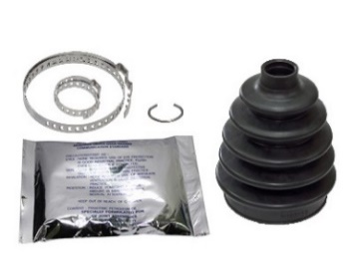
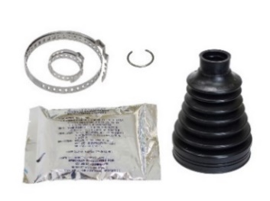
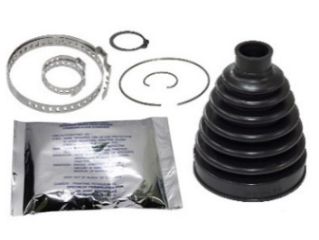
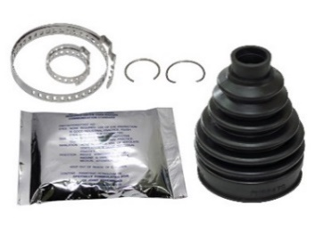

AT-03C00
AT-03C01
AT-03C02
AT-03C03
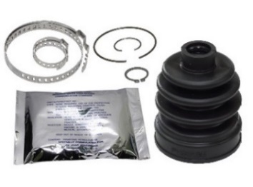
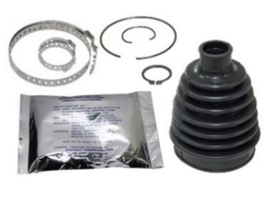
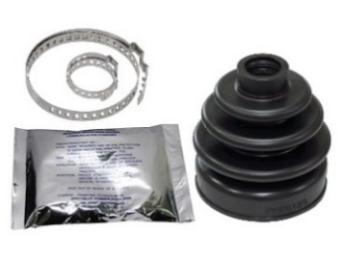
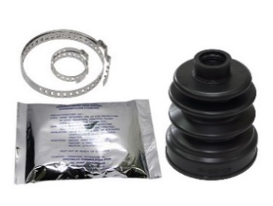

AT-03C04
AT-03C05
AT-03C08
AT-03C09

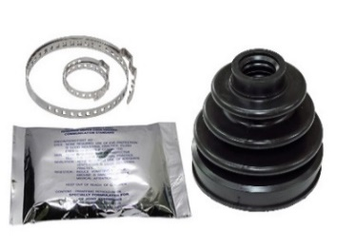
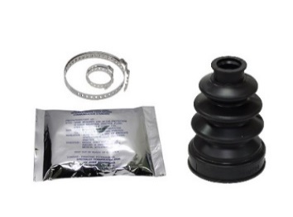
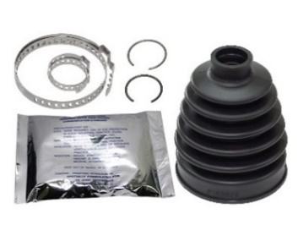
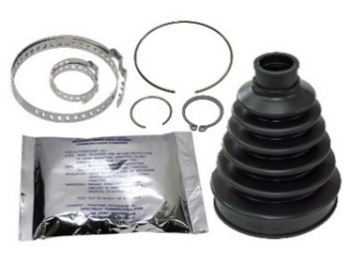

AT-03C11
AT-03C12
AT-03C13
AT-03C14
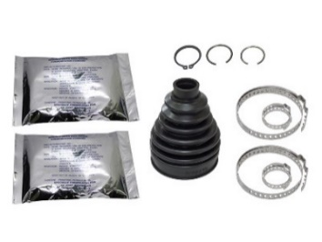
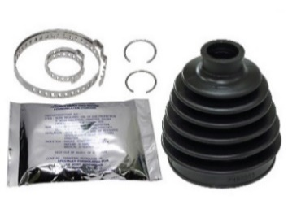
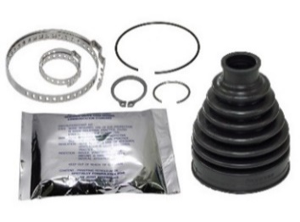
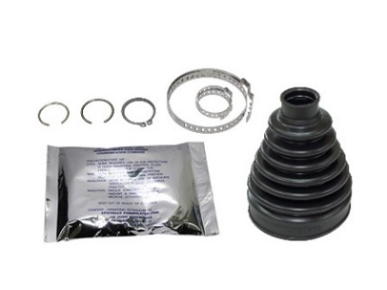

AT-03C15
AT-03C16
AT-03C17
AT-03C18
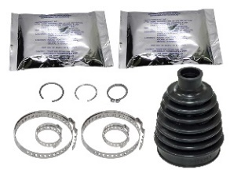
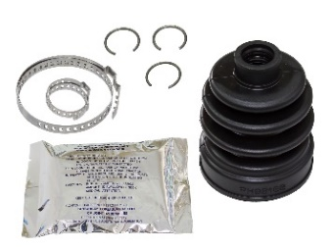
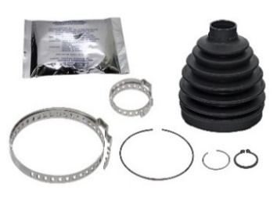
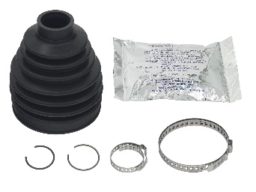

AT-03C20
AT-03C21
AT-03C23
AT-03C24
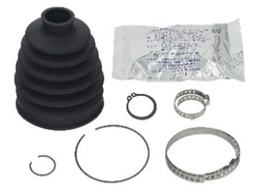
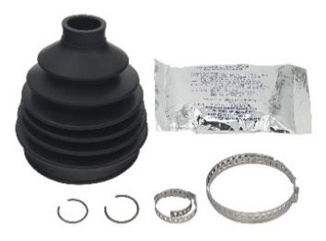
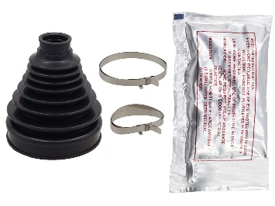
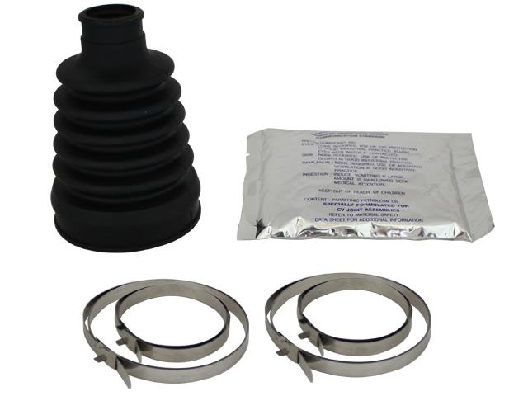

AT-03C25
AT-03C26
AT-03C27
AT-03076
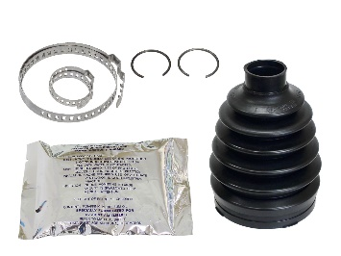
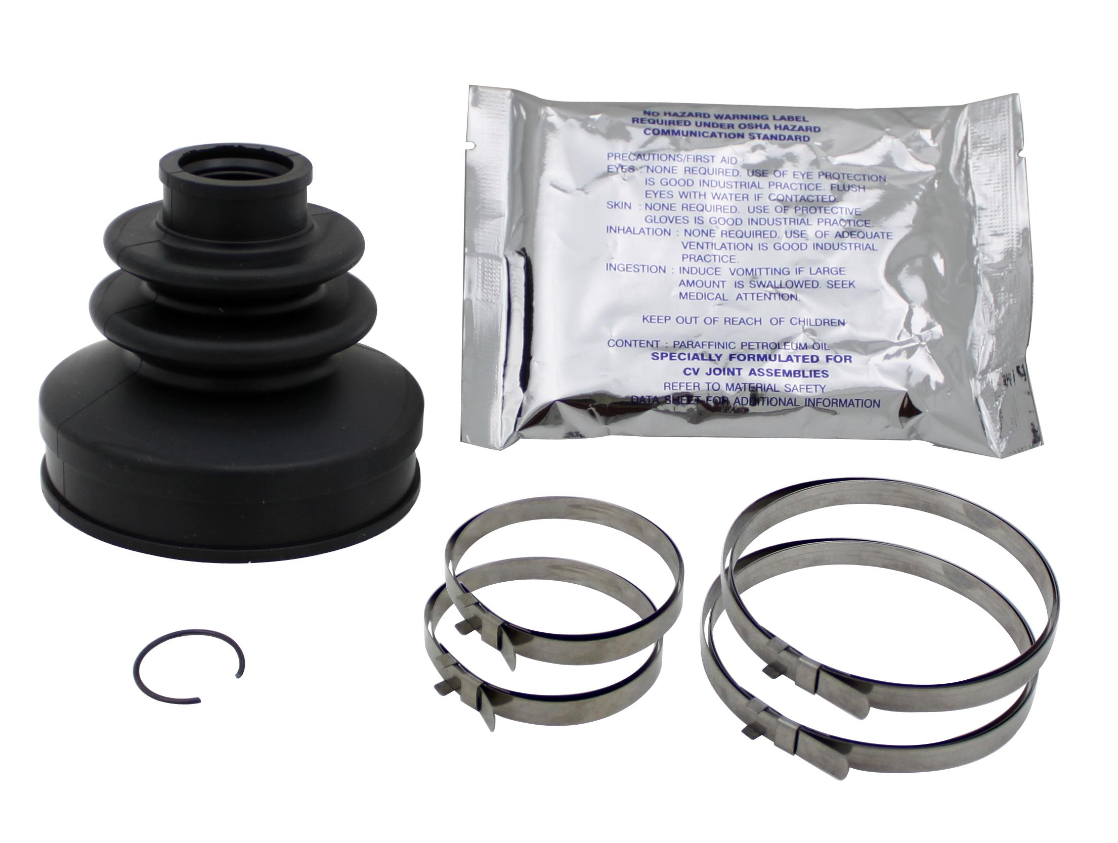
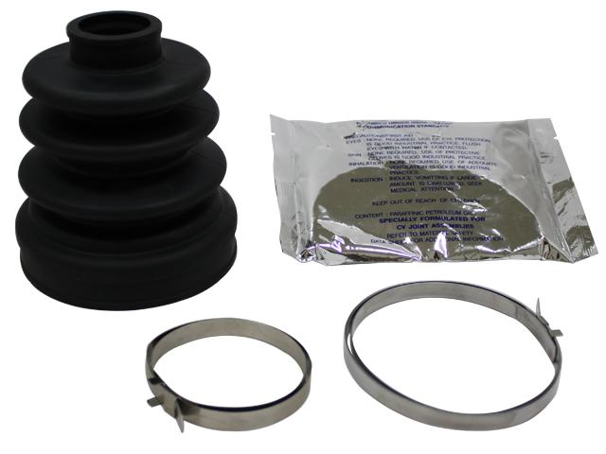
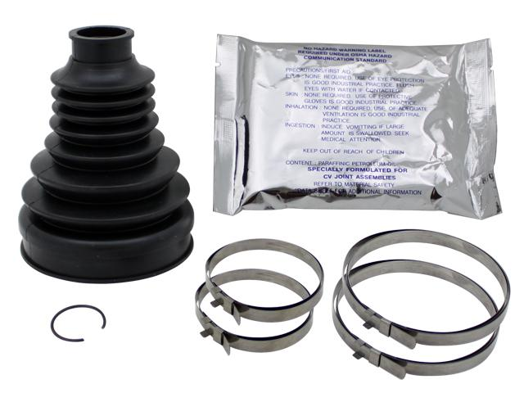

AT-03077
AT-03078
AT-03079
AT-03076-1
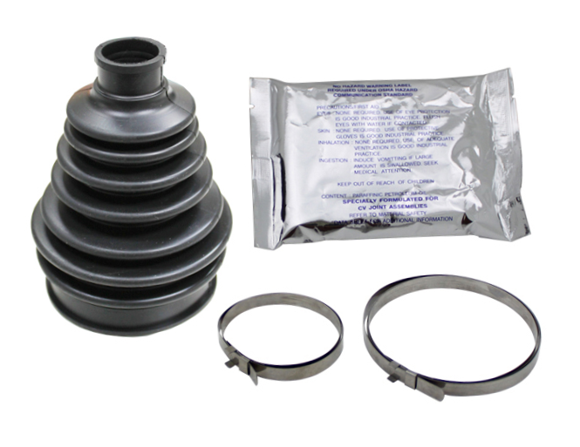
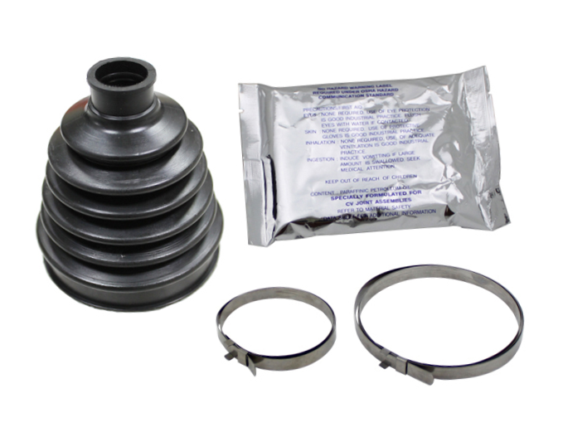
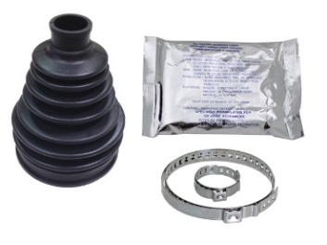
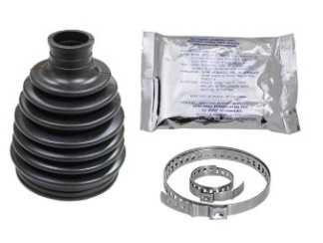

AT-03080
AT-03081
AT-03082
AT-03083

CV AXLE BOOT KITS

* KIT INCLUDES BOOT,CLAMPS AND MoS2 PREMIUM GREASE BAG *
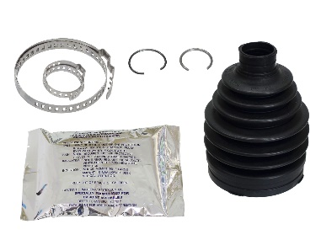
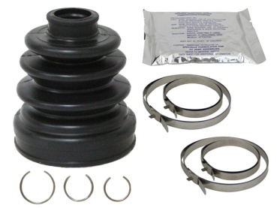
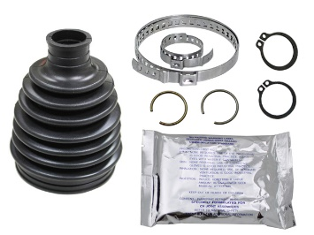
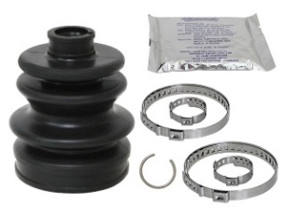

AT-03083-1
AT-03083-2
AT-03085
AT-03086

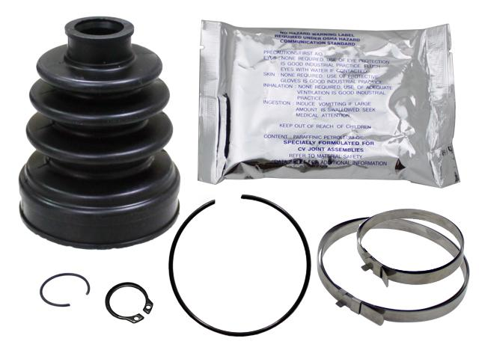
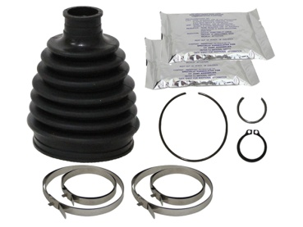
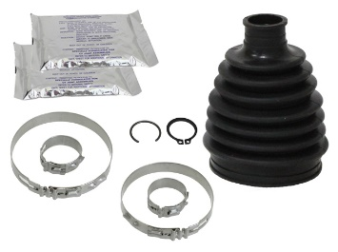
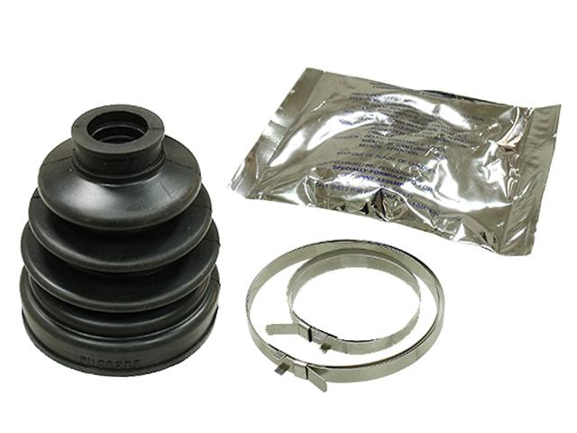

AT-03087
AT-03088
AT-03088-1
AT-03089
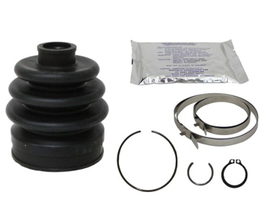
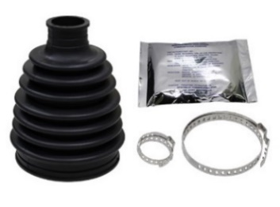
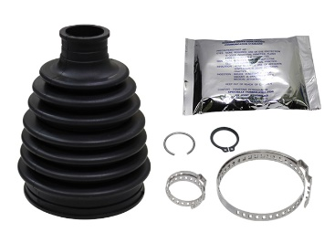
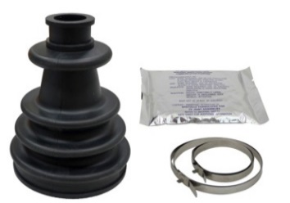

AT-03090
AT-03092
AT-03092-1
AT-03095
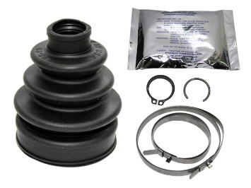
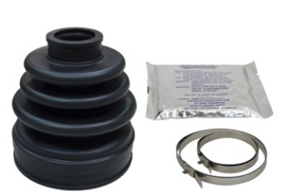
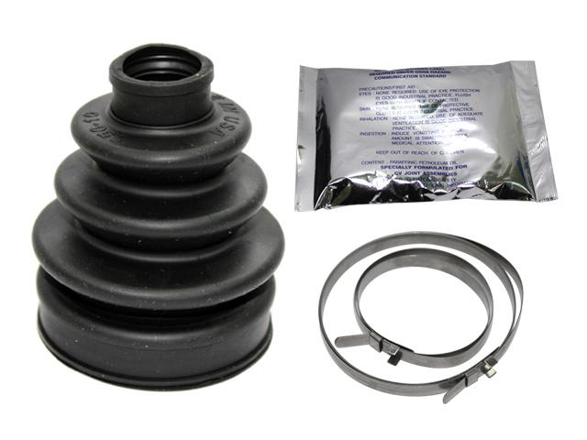
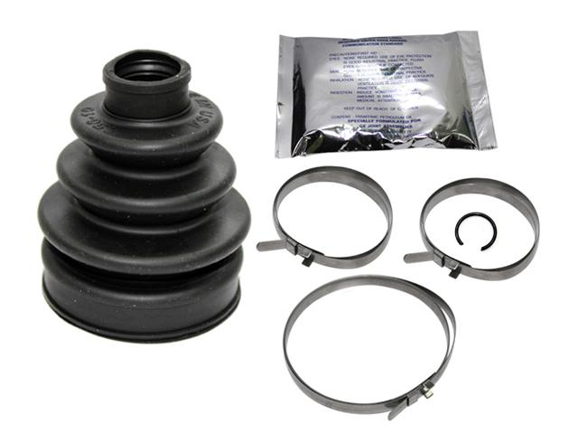

AT-03096
AT-08525-6
AT-08525
AT-08525-1

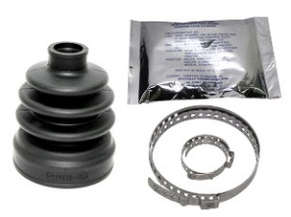
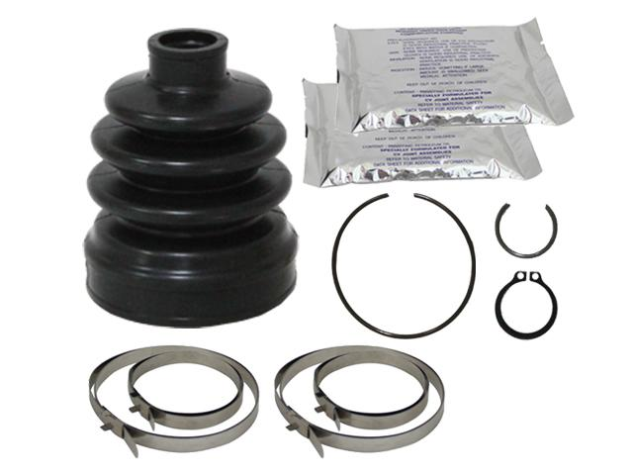



AT-08540
AT-08540-2
AT-08541
AT-08542





AT-08543
AT-08544
AT-08545
AT-08545-4





AT-08545-5
AT-08546
AT-08547
AT-08583





AT-08585
AT-08586
AT-08587
AT-08593

CV AXLE BOOT KITS
AT-08587


* KIT INCLUDES BOOT,CLAMPS AND MoS2 PREMIUM GREASE BAG *

* OEM REPLACEMENT CV BOOT KITS. NO CUTTING OR TRIMMING NECESSARY.
* EXCEEDS OEM QUALITY
* HUGE SELECTION OF ATV/UTV APPLICATIONS AVAILABLE
* INCLUDES EVERYTHING YOU NEED TO REPLACE ONE CV BOOT:
BOOT, CLAMPS, AND 100G OF GREASE.

AT-08511

APPLICATION |  |  |  | YEAR | FRONT |  | REAR
 |  |  |  |  | OUTBOARD | INBOARD | OUTBOARD | INBOARD
ARCTIC CAT
250 2X4 |  |  |  | 1999-05 | - | - | AT-08542 | AT-08542
250 4X4 |  |  |  | 2001-05 | AT-08542 | AT-08542 | AT-08542 | AT-08542
300 2X4 |  |  |  | 1998-02 | - | - | AT-08542 | AT-08542
300 4X4 |  |  |  | 1998-05 | AT-08542 | AT-08542 | AT-08542 | AT-08542
375 4X4 |  |  |  | 2002 | AT-08542 | AT-08542 | - | -
400 2X4 |  |  |  | 2003-05 | - | - | AT-08542 | AT-08542
400 4X4 |  |  |  | 1998-02 | AT-08542 | AT-08542 | - | -
400 4X4 |  |  |  | 2003-10 | AT-08542 | AT-08542 | AT-08542 | AT-08542
400 TBX 4X4 |  |  |  | 2005-06 | AT-08542 | AT-08542 | AT-08542 | AT-08542
400 TRV |  |  |  | 2011-14 | AT-03086 | AT-03086 | AT-03086 | AT-03086
400 TRV AUTO 4X4 |  |  |  | 2006-10 | AT-08542 | AT-08542 | AT-08542 | AT-08542
400 TRV CORE 4X4 |  |  |  | 2013 | AT-03086 | AT-03086 | AT-03086 | AT-03086
400 VP AUTO/MANUAL 4X4 |  |  |  | 2005-06 | AT-08542 | AT-08542 | - | -
450 EFI 4X4 |  |  |  | 2011-12 | AT-03086 | AT-03086 | AT-03086 | AT-03086
450 EFI AUTO 4X4 |  |  |  | 2010 | AT-08542 | AT-08542 | AT-08542 | AT-08542
450 TRV EFI 4X4 |  |  |  | 2011-12 | AT-03086 | AT-03086 | AT-03086 | AT-03086
450 TRV GT 4X4 |  |  |  | 2012 | AT-03086 | AT-03086 | AT-03085 | AT-03085
454 4X4 |  |  |  | 1996-97 | AT-08540 | AT-08542 | - | -
454 4X4 TO #13000 |  |  |  | 1998 | AT-08540 | AT-08542 | - | -
454 4X4 FROM #13000 |  |  |  | 1998 | AT-08542 | AT-08542 | - | -
500 4X4 |  |  |  | 1998-02 | AT-08542 | AT-08542 | - | -
500 4X4 |  |  |  | 2003-09 | AT-08542 | AT-08542 | AT-08542 | AT-08542
500 4X4 |  |  |  | 2014-16 | AT-03086 | AT-03086 | AT-03086 | AT-03086
500 CORE EFI 4X4 |  |  |  | 2013 | AT-03086 | AT-03086 | AT-03086 | AT-03086
500 MANUAL 4X4 |  |  |  | 2005-09 | AT-08542 | AT-08542 | AT-08542 | AT-08542
500 HDX XT |  |  |  | 2016-17 | AT-03086 | AT-03086 | AT-03086 | AT-03086
500 TBX 4X4 |  |  |  | 2005-06 | AT-08542 | AT-08542 | AT-08542 | AT-08542
500 TRV 4X4 |  |  |  | 2014-15 | AT-03086 | AT-03086 | AT-03086 | AT-03086
500 TRV AUTO 4X4 |  |  |  | 2005-08 | AT-08542 | AT-08542 | AT-08542 | AT-08542
500 TRV CORE 4X4 |  |  |  | 2013 | AT-03086 | AT-03086 | AT-03086 | AT-03086
500 XR 4X4 |  |  |  | 2015 | AT-03086 | AT-03086 | AT-03086 | AT-03086
500 XT 4X4 |  |  |  | 2013-14 | AT-03086 | AT-03086 | AT-03086 | AT-03086
550 4X4 |  |  |  | 2014 | AT-03086 | AT-03086 | AT-03086 | AT-03086
550 ALTERRA |  |  |  | 2016 | AT-03086 | AT-03086 | AT-03086 | AT-03086
550 CORE 4X4 |  |  |  | 2013 | AT-03086 | AT-03086 | AT-03086 | AT-03086
550 EFI 4X4 |  |  |  | 2012 | AT-03086 | AT-03086 | AT-03086 | AT-03086
550 GT 4X4 |  |  |  | 2012 | AT-03086 | AT-03086 | AT-03085 | AT-03085
550 H1 4X4 |  |  |  | 2009-10 | AT-08542 | AT-08542 | - | -
550 H1 4X4 |  |  |  | 2011 | AT-03086 | AT-03086 | AT-03085 | AT-03085
550 H1 PROWLER 4X4 |  |  |  | 2009-10 | AT-08542 | AT-08542 | AT-08542 | AT-08542
550 LIMITED 4X4 |  |  |  | 2013-14 | AT-03086 | AT-03086 | AT-03086 | AT-03086
550 LTD 4X4 |  |  |  | 2012 | AT-03086 | AT-03086 | AT-03085 | AT-03085
550 TRV 4X4 |  |  |  | 2009-10 | AT-08542 | AT-08542 | AT-08542 | AT-08542
550 TRV 4X4 |  |  |  | 2011 | AT-03086 | AT-03086 | AT-03086 | AT-03086
550 TRV CRUISER 4X4 |  |  |  | 2011-12 | AT-03086 | AT-03086 | AT-03086 | AT-03086
550 TRV GT 4X4 |  |  |  | 2012 | AT-03086 | AT-03086 | AT-03086 | AT-03086
550 TRV LIMITED 4X4 |  |  |  | 2013-14 | AT-03086 | AT-03086 | AT-03085 | AT-03085
550 TRV LIMITED EPS 4X4 |  |  |  | 2015 | AT-03086 | AT-03086 | AT-03086 | AT-03086
550 TRV XT 4X4 |  |  |  | 2013-14 | AT-03086 | AT-03086 | AT-03085 | AT-03085
550 TRV XT EPS 4X4 |  |  |  | 2015 | AT-03086 | AT-03086 | AT-03086 | AT-03086
550 XR/LIMITED EPS/XT 4X4 |  |  |  | 2015 | AT-03086 | AT-03086 | AT-03086 | AT-03086
550 XT 4X4 |  |  |  | 2013-14 | AT-03086 | AT-03086 | AT-03085 | AT-03085
550S H1 4X4 |  |  |  | 2010 | AT-08542 | AT-08542 | AT-08542 | AT-08542
550S H1 4X4 |  |  |  | 2011 | AT-03086 | AT-03086 | AT-03086 | AT-03086
550S TRV 4X4 |  |  |  | 2010 | AT-08542 | AT-08542 | AT-08542 | AT-08542
550S TRV GT 4X4 |  |  |  | 2011 | AT-03086 | AT-03086 | AT-03085 | AT-03085
570 ALTERRA / XT |  |  |  | 2019-21 | AT-03086 | AT-03086 | AT-03086 | AT-03086
650 H1 4X4 (EXCL MUD PRO) |  |  |  | 2005-10 | AT-08542 | AT-08542 | AT-08542 | AT-08542

CV AXLE BOOT KITS

APPLICATION |  |  |  | YEAR | FRONT |  | REAR
 |  |  |  |  | OUTBOARD | INBOARD | OUTBOARD | INBOARD
ARCTIC CAT
650 H1 4X4 |  |  |  | 2011 | AT-03086 | AT-03086 | AT-03086 | AT-03086
650 H1 PROWLER |  |  |  | 2006-09 | AT-08542 | AT-08542 | AT-08542 | AT-08542
650 MUD PRO 4X4 |  |  |  | 2010 | AT-08542 | AT-08542 | AT-03085 | AT-03085
650 MUD PRO 4X4 |  |  |  | 2011 | AT-03085 | AT-03085 | AT-03085 | AT-03085
650 TBX/AUTO 4X4 |  |  |  | 2007-09 | AT-08542 | AT-08542 | AT-08542 | AT-08542
650 V2 4X4 |  |  |  | 2004-06 | AT-08542 | AT-08542 | AT-08542 | AT-08542
650I 4X4 |  |  |  | 2012 | AT-03086 | AT-03086 | AT-03085 | AT-03085
700 4X4 |  |  |  | 2014 | AT-03086 | AT-03086 | AT-03086 | AT-03086
700 ALTERRA 4X4 |  |  |  | 2016-21 | AT-03086 | AT-03086 | AT-03086 | AT-03086
700 CORE 4X4 |  |  |  | 2013-14 | AT-03086 | AT-03086 | AT-03086 | AT-03086
700 DIESEL 4X4 |  |  |  | 2007-10 | AT-08542 | AT-08542 | AT-08542 | AT-08542
700 DIESEL 4X4 |  |  |  | 2011 | AT-03086 | AT-03086 | AT-03086 | AT-03086
700 DIESEL 4X4 |  |  |  | 2012 | AT-03086 | AT-03086 | AT-03085 | AT-03085
700 DIESEL 4X4 |  |  |  | 2013-14 | AT-03086 | AT-03086 | AT-03086 | AT-03086
700 EFI AUTO 4X4 |  |  |  | 2007-08 | AT-08542 | AT-08542 | AT-08542 | AT-08542
700 EFI 4X4 |  |  |  | 2011 | AT-03086 | AT-03086 | AT-03085 | AT-03085
700 EFI 4X4 |  |  |  | 2012 | AT-03086 | AT-03086 | AT-03086 | AT-03086
700 GT 4X4 |  |  |  | 2012 | AT-03086 | AT-03086 | AT-03085 | AT-03085
700 H1 4X4 |  |  |  | 2008-10 | AT-08542 | AT-08542 | AT-08542 | AT-08542
700 H1 MUD PRO 4X4 |  |  |  | 2009-10 | AT-08542 | AT-08542 | AT-08542 | AT-08542
700 LIMITED 4X4 |  |  |  | 2013-14 | AT-03086 | AT-03086 | AT-03086 | AT-03086
700 LTD 4X4 |  |  |  | 2012 | AT-03086 | AT-03086 | AT-03085 | AT-03085
700 MUD PRO 4X4 |  |  |  | 2011-13 | AT-03085 | AT-03085 | AT-03085 | AT-03085
700 MUD PRO LTD 4X4 |  |  |  | 2012-14 | AT-03085 | AT-03085 | AT-03085 | AT-03085
700 MUD PRO LTD EPS |  |  |  | 2015-19 | AT-03085 | AT-03085 | - | -
700 TBX 4X4 |  |  |  | 2010 | AT-08542 | AT-08542 | AT-08542 | AT-08542
700 TBX 4X4 |  |  |  | 2011 | AT-03086 | AT-03086 | AT-03086 | AT-03086
700 TBX 4X4 / ALTERRA TBX |  |  |  | 2014-19 | AT-03086 | AT-03086 | AT-03086 | AT-03086
700 TBX GT 4X4 |  |  |  | 2012 | AT-03086 | AT-03086 | AT-03085 | AT-03085
700 TBX XT 4X4 |  |  |  | 2013 | AT-03086 | AT-03086 | AT-03086 | AT-03086
700 TRV 4X4 |  |  |  | 2010 | AT-08542 | AT-08542 | AT-08542 | AT-08542
700 TRV 4X4 |  |  |  | 2011 | AT-03086 | AT-03086 | AT-03086 | AT-03086
700 TRV CRUSER 4X4 |  |  |  | 2008-10 | AT-08542 | AT-08542 | AT-08542 | AT-08542
700 TRV CRUSER 4X4 |  |  |  | 2011 | AT-03086 | AT-03086 | AT-03086 | AT-03086
700 TRV CRUSER 4X4 |  |  |  | 2012 | AT-03086 | AT-03086 | AT-03085 | AT-03085
700 TRV GT 4X4 |  |  |  | 2012 | AT-03086 | AT-03086 | AT-03085 | AT-03085
700 TRV LE 4X4 |  |  |  | 2008 | AT-08542 | AT-08542 | AT-08542 | AT-08542
700 TRV LIMITED 4X4 |  |  |  | 2013-14 | AT-03086 | AT-03086 | AT-03086 | AT-03086
700 TRV LIMITED EPS 4X4 |  |  |  | 2015 | AT-03086 | AT-03086 | AT-03086 | AT-03086
700 TRV XT 4X4 / ALTERRA TRV 700 XT |  |  |  | 2013-20 | AT-03086 | AT-03086 | AT-03086 | AT-03086
700 XR/LIMITED EPS/XT EPS 4X4 |  |  |  | 2015 | AT-03086 | AT-03086 | AT-03086 | AT-03086
700 XT / ALTERRA 700 XT |  |  |  | 2013-21 | AT-03086 | AT-03086 | AT-03086 | AT-03086
700S H1 AUTO 4X4 |  |  |  | 2010 | AT-08542 | AT-08542 | AT-08542 | AT-08542
700S TRV 4X4 |  |  |  | 2010 | AT-08542 | AT-08542 | AT-08542 | AT-08542
700S TRV 4X4 |  |  |  | 2011 | AT-03086 | AT-03086 | AT-03086 | AT-03086
1000 ALTERRA TRV |  |  |  | 2017 | AT-03085 | AT-03085 | AT-03085 | AT-03085
1000 GT 4X4 |  |  |  | 2012 | AT-03085 | AT-03085 | AT-03085 | AT-03085
1000 H2 EFI 4X4 |  |  |  | 2011 | AT-03085 | AT-03085 | AT-03085 | AT-03085
1000 MUD PRO 4X4 |  |  |  | 2010 | AT-08542 | AT-08542 | - | -
1000 MUD PRO 4X4 |  |  |  | 2011 | AT-03085 | AT-03085 | AT-03085 | AT-03085
1000 MUD PRO LIMITED 4X4 |  |  |  | 2013-14 | AT-03085 | AT-03085 | - | -
1000 MUD PRO LIMITED EPS 4X4 |  |  |  | 2015 | AT-03085 | AT-03085 | AT-03085 | AT-03085
1000 THUNDERCAT 4X4 |  |  |  | 2008-10 | AT-08542 | AT-08542 | AT-08542 | AT-08542
1000 TRV 4X4 |  |  |  | 2009-10 | AT-08542 | AT-08542 | AT-08542 | AT-08542
1000 TRV CRUSER 4X4 |  |  |  | 2009-10 | AT-08542 | AT-08542 | AT-08542 | AT-08542
1000 TRV CRUSER 4X4 |  |  |  | 2011 | AT-03085 | AT-03085 | AT-03085 | AT-03085
1000 TRV LIMITED 4X4 |  |  |  | 2013 | AT-03085 | AT-03085 | - | -
1000 TRV LIMITED 4X4 |  |  |  | 2014 | AT-03085 | AT-03085 | AT-03085 | AT-03085
1000 TRV LIMITED EPS/XT EPS 4X4 |  |  |  | 2015 | AT-03085 | AT-03085 | AT-03085 | AT-03085
1000 XT 4X4 |  |  |  | 2013 | AT-03085 | AT-03085 | - | -
1000 XT EPS 4X4 |  |  |  | 2015-17 | AT-03085 | AT-03085 | AT-03085 | AT-03085
UTV
500 PROWLER HDX 4X4 |  |  |  | 2014-15 | AT-03086 | AT-03086 | AT-03086 | AT-03086
500 PROWLER HDX LTD/XT 4X4 |  |  |  | 2014 | AT-03086 | AT-03086 | AT-03086 | AT-03086
550 PROWLER FLATBED 4X4 |  |  |  | 2009 | AT-08542 | AT-08542 | AT-08542 | AT-08542
550 PROWLER XT 4X4 |  |  |  | 2011-15 | AT-03086 | AT-03086 | AT-03086 | AT-03086
700 H1 PROWLER XT EPS 4X4 |  |  |  | 2015-17 | AT-03086 | AT-03086 | AT-03086 | AT-03086
700 H1 PROWLER XTX 4X4 |  |  |  | 2008-10 | AT-08542 | AT-08542 | AT-08542 | AT-08542

CV AXLE BOOT KITS

APPLICATION |  |  |  | YEAR | FRONT |  | REAR
 |  |  |  |  | OUTBOARD | INBOARD | OUTBOARD | INBOARD
ARCTIC CAT
UTV
700 H1 PROWLER XTX 4X4 |  |  |  | 2011-14 | AT-03086 | AT-03086 | AT-03086 | AT-03086
700 PROWLER HDX 4X4 |  |  |  | 2011-14 | AT-03086 | AT-03086 | AT-03086 | AT-03086
700 PROWLER XT 4X4 |  |  |  | 2009 | AT-08542 | AT-08542 | AT-08542 | AT-08542
700 WILDCAT SPORT/XT/LTD EPS 4X4 |  |  |  | 2015-17 | AT-03085 | AT-03085 | AT-03086 | AT-03086
700 WILDCAT SPORT/XT/LTD EPS 4X4 |  |  |  | 2018-19 | AT-03085 | AT-03085 | AT-03085 | AT-03085
700 WILDCAT TRAIL 4X4 |  |  |  | 2014 | AT-03086 | AT-03086 | - | -
700 WILDCAT TRAIL/XT/ LTD EPS 4X4 |  |  |  | 2015-20 | AT-03085 | AT-03085 | AT-03085 | AT-03085
800 PROWLER PRO / XT / GREEN |  |  |  | 2019-21 | AT-03086 | AT-03086 | AT-03086 | AT-03086
1000 PROWLER BAJA XTZ 4X4 |  |  |  | 2009 | AT-08542 | AT-08542 | AT-08542 | AT-08542
1000 PROWLER XT |  |  |  | 2015-17 | AT-03086 | AT-03086 | AT-03086 | AT-03086
1000 PROWLER XT EPS 4X4 |  |  |  | 2015 | AT-03085 | AT-03085 | AT-03085 | AT-03085
1000 PROWLER XTZ 4X4 |  |  |  | 2009-10 | AT-08542 | AT-08542 | AT-08542 | AT-08542
1000 PROWLER XTZ 4X4 |  |  |  | 2011-14 | AT-03086 | AT-03086 | AT-03086 | AT-03086
1000 WILDCAT/EPS 4X4 |  |  |  | 2012-15 | AT-03085 | AT-03085 | AT-03085 | AT-03085
1000 WILDCAT 4 4X4 |  |  |  | 2013-14 | AT-03085 | AT-03085 | AT-03085 | AT-03085
1000 WILDCAT 4 X 4X4 |  |  |  | 2014-18 | AT-03085 | AT-03085 | AT-03085 | AT-03085
1000 WILDCAT 4 X LIMITED EPS 4X4 |  |  |  | 2015-18 | - | - | AT-03085 | AT-03085
1000 WILDCAT X 4X4 |  |  |  | 2013-16 | AT-03085 | AT-03085 | AT-03085 | AT-03085
1000 WILDCAT X EPS/LIMITED 4X4 |  |  |  | 2015-18 | AT-03085 | AT-03085 | AT-03085 | AT-03085
1000 WILDCAT X LIMITED EPS 4X4 |  |  |  | 2015-18 | AT-03085 | AT-03085 | - | -

CAN-AM
330 HO OUTLANDER 2X4 |  |  |  | 2004-05 | - | - | AT-08586 | AT-08547
330 HO OUTLANDER 4X4 |  |  |  | 2004-05 | AT-08525-1 | AT-08541 | AT-08586 | AT-08547
400 HO OUTLANDER 4X4 |  |  |  | 2003-05 | AT-08525-1 | AT-08541 | AT-08586 | AT-08547
400 HO OUTLANDER 4X4 |  |  |  | 2006-08 | AT-08545 | AT-08546 | AT-08586 | AT-08547
400 OUTLANDER EFI/MAX, STD, XT |  |  |  | 2013-15 | AT-03092 | AT-03092 | - | -
400 OUTLANDER MAX STD, XT, 400 EFI |  |  |  | 2008 | AT-08545 | AT-08546 | AT-08586 | AT-08547
400 OUTLANDER MAX STD, XT, 400 EFI |  |  |  | 2009-12 | AT-08545 | AT-08546 | - | -
400 OUTLANDER MAX STD/XT 4X4 |  |  |  | 2013 | AT-03081 | AT-03092 | - | -
400 OUTLANDER MAX STD/XT 4X4 |  |  |  | 2014 | AT-03081 | AT-03092 | AT-03079 | AT-03079
400 OUTLANDER STD, XT, EFI |  |  |  | 2009-12 | AT-08545 | AT-08546 | - | -
400 OUTLANDER STD/XT 4X4 |  |  |  | 2013-14 | AT-03081 | AT-03092 | - | -
450 OUTLA\NDER L STD/DPS |  |  |  | 2015-16 | AT-08545-5 | AT-03C01 | AT-03081 | AT-03081
450 OUTLANDER 6X6 EFI T3 / MAX |  |  |  | 2020-23 | AT-08545-5 | AT-03C01 | - | -
450 OUTLANDER EFI |  |  |  | 2022-23 | AT-08545-5 | AT-03C01 | AT-03081 | AT-03079
450 OUTLANDER MAX L STD/DPS |  |  |  | 2015-16 | AT-08545-5 | AT-03C01 | AT-03081 | AT-03081
450 OUTLANDER MAX STD/DPS |  |  |  | 2017-23 | AT-08545-5 | AT-03C01 | AT-03081 | AT-03081
450 OUTLANDER STD/DPS/HUNTING |  |  |  | 2017-23 | AT-08545-5 | AT-03C01 | AT-03081 | AT-03081
500 HO OUTLANDER 4X4 |  |  |  | 2007 | AT-08545 | AT-08546 | AT-08583 | AT-08583
500 OUTLANDER EFI / MAX |  |  |  | 2015 | AT-08545-5 | AT-03C01 | - | -
500 OUTLANDER EFI/MAX STD, DPS & XT |  |  |  | 2013-15 | AT-03092 | AT-03092 | - | -
500 OUTLANDER L EFI / MAX |  |  |  | 2015 | AT-08545-5 | AT-03C01 | - | -
500 OUTLANDER L/MAX |  |  |  | 2015 | AT-03092 | AT-03092 | - | -
500 OUTLANDER MAX LTD 4X4 |  |  |  | 2010 | AT-08545 | AT-08546 | AT-03079 | AT-03079
500 OUTLANDER MAX STD/DPS/XT 4X4 |  |  |  | 2013-14 | AT-03081 | AT-03092 | AT-03079 | AT-03079
500 OUTLANDER MAX STD/XT 4X4 (REAR W/10MM BANDS) |  |  |  | 2008 | AT-08545 | AT-08546 | AT-03079 | AT-03079
500 OUTLANDER MAX STD/XT/XT-P 4X4 |  |  |  | 2009-12 | AT-08545 | AT-08546 | AT-03079 | AT-03079
500 OUTLANDER STD/DPS/XT 4X4 |  |  |  | 2013-14 | AT-03081 | AT-03092 | AT-03079 | AT-03079
500 OUTLANDER STD/XT 4X4 (REAR W/10MM BANDS) |  |  |  | 2008 | AT-08545 | AT-08546 | AT-03079 | AT-03079
500 OUTLANDER STD/XT/XT-P 4X4 |  |  |  | 2009-12 | AT-08545 | AT-08546 | AT-03079 | AT-03079
500 QUEST 4X4 |  |  |  | 2002-04 | AT-08525-1 | AT-08541 | - | -
500 RENEGADE 4X4 |  |  |  | 2013-14 | AT-03081 | AT-03092 | AT-03079 | AT-03079
500 RENEGADE 4X4 |  |  |  | 2009-12 | AT-08545 | AT-08546 | AT-03079 | AT-03079
500 RENEGADE 4X4 (REAR W/10MM BANDS) |  |  |  | 2008 | AT-08545 | AT-08546 | AT-03079 | AT-03079
500 RENEGADE EFI |  |  |  | 2015 | AT-08545-5 | AT-03C01
500 RENEGADE EFI STD |  |  |  | 2013-15 | AT-03092 | AT-03092 | - | -
500 TRAXTER 4X4 |  |  |  | 1999-05 | AT-08525-1 | AT-08541 | - | -
570 OUTLADNER EFI 4X4 |  |  |  | 2023 | AT-08545-5 | AT-03C01 | AT-03081 | AT-03079
570 OUTLANDER EFI |  |  |  | 2022-23 | AT-08545-5 | AT-03C01 | AT-03081 | AT-03079
570 OUTLANDER EFI / MAX(EXCEPT XMR) |  |  |  | 2016-23 | AT-08545-5 | AT-03C01
570 OUTLANDER EFI T |  |  |  | 2018-23 | AT-08545-5 | AT-03C01
570 OUTLANDER L / MAX (EXCEPT XMR) |  |  |  | 2016-17 | AT-08545-5 | AT-03C01
570 OUTLANDER L XMR 4X4 |  |  |  | 2016 | AT-03081 | AT-03092 | AT-03079 | AT-03079
570 OUTLANDER MAX DPS/XT 4X4 |  |  |  | 2016 | AT-08545-5 | AT-03C01 | AT-03079 | AT-03079
570 OUTLANDER MAX STD/DPS/XT 4X4 |  |  |  | 2017-23 | AT-08545-5 | AT-03C01 | AT-03081 | AT-03079
570 OUTLANDER STD/DPS/XT 4X4 |  |  |  | 2016 | AT-08545-5 | AT-03C01 | AT-03079 | AT-03079

CV AXLE BOOT KITS

APPLICATION |  |  |  | YEAR | FRONT |  | REAR
 |  |  |  |  | OUTBOARD | INBOARD | OUTBOARD | INBOARD
CAN-AM
570 OUTLANDER STD/DPS/XT 4X4 |  |  |  | 2017-23 | AT-08545-5 | AT-03C01 | AT-03081 | AT-03079
570 OUTLANDER XMR |  |  |  | 2017 | AT-03081 | AT-03092 | - | -
570 RENEGADE |  |  |  | 2016 | AT-08545-5 | AT-03C01 | AT-03079 | AT-03079
TRAXTER HD10 |  |  |  | 2021-23
TRAXTER MAX HD10 |  |  |  | 2023
TRAXTER MAX HD9 |  |  |  | 2022-23
TRAXTER PRO HD10 |  |  |  | 2021-23
DEFENDER HD7 |  |  |  | 2022-23
TRAXTER HD9 |  |  |  | 2022-23
570 RENEGADE |  |  |  | 2017 | AT-08545-5 | AT-03C01 | AT-03081 | AT-03092
570 RENEGADE |  |  |  | 2018 | AT-08545-5 | AT-03C01 | AT-03079 | AT-03079
570 RENEGADE |  |  |  | 2019-21 | AT-03081 | AT-03092 | AT-03079 | AT-03079
570 RENEGADE XMR |  |  |  | 2017-18 | AT-03081 | AT-03092 | AT-03079 | AT-03079
570 RENEGADE XMR |  |  |  | 2019 | AT-03080 | AT-03081 | AT-03079 | AT-03079
570 RENEGADE XMR |  |  |  | 2020-21 | AT-03081 | AT-03092 | AT-03079 | AT-03079
650 HO OUTLANDER EFI 4X4 |  |  |  | 2006-07 | AT-08545 | AT-08546 | AT-08583 | AT-08583
650 OUTLANDER 6X6 |  |  |  | 2015-21 | AT-03081 | AT-03092 | AT-03079 | AT-03079
650 OUTLANDER EFI STD & XT |  |  |  | 2008-12 | AT-08545 | AT-08546 | AT-03079 | AT-03079
650 OUTLANDER EFI/MAX STD, DPS & XT |  |  |  | 2013-21 | AT-03092 | AT-03092 | AT-03079 | AT-03079
650 OUTLANDER MAX 650 EFI STD, XT & XT-P |  |  |  | 2008-12 | AT-08545 | AT-08546 | AT-03079 | AT-03079
650 OUTLANDER MAX XMR |  |  |  | 2017-21 | AT-03080 | AT-03081 | AT-03079 | AT-03079
650 OUTLANDER STD/XT 4X4 (REAR W/10MM BANDS) |  |  |  | 2008 | AT-08545 | AT-08546 | AT-03079 | AT-03079
650 OUTLANDER STD/XT/XT-P 4X4 |  |  |  | 2009-12 | AT-08545 | AT-08546 | AT-03079 | AT-03079
650 OUTLANDER XMR 4X4 |  |  |  | 2013-16 | AT-03080 | AT-03081 | AT-03079 | AT-03079
650 QUEST 4X4 |  |  |  | 2002-04 | AT-08525-1 | AT-08541 | - | -
650 TRAXTER 4X4 |  |  |  | 2005 | AT-08525-1 | AT-08541 | - | -
800 OUTLANDER (ALL) |  |  |  | 2006-15 | AT-08545 | AT-08546 | AT-08583 | AT-08583
800 OUTLANDER R EFI/MAX, STD, DPS, XT & XT-P |  |  |  | 2013-15 | AT-03092 | AT-03092 | - | -
800 OUTLANDER XMR |  |  |  | 2015 | AT-03080 | AT-03081 | AT-03079 | AT-03079
800 RENEGADE |  |  |  | 2008-15 | AT-08545 | AT-08546 | AT-03079 | AT-03079
800 RENEGADE 4X4 |  |  |  | 2007 | AT-08545 | AT-08546 | AT-08583 | AT-08583
800 RENEGADE R EFI STD & XXC |  |  |  | 2013-15 | AT-03092 | AT-03092 | - | -
850 OUTLANDER XMR 4X4 |  |  |  | 2016-21 | AT-03080 | AT-03081 | AT-03079 | AT-03079
850 OUTLANDER/MAX DPS/XT/XT-P 4X4 |  |  |  | 2016-21 | AT-03081 | AT-03092 | AT-03079 | AT-03079
850 RENEGADE STD/XXC 4X4 |  |  |  | 2016-21 | AT-03081 | AT-03092 | AT-03079 | AT-03079
1000 OUTLANDER 6X6 |  |  |  | 2015-21 | AT-03081 | AT-03092 | AT-03079 | AT-03079
1000 OUTLANDER DPS/XT/XT-P 4X4 |  |  |  | 2013-21 | AT-03081 | AT-03092 | AT-03079 | AT-03079
1000 OUTLANDER EFI STD, XT |  |  |  | 2012 | AT-08545 | AT-08546 | AT-03079 | AT-03079
1000 OUTLANDER EFI/MAX, DPS, XT & XT-P |  |  |  | 2013-15 | AT-03092 | AT-03092 | - | -
1000 OUTLANDER MAX DPS/XT/XT-P 4X4 |  |  |  | 2013-21 | AT-03081 | AT-03092 | AT-03079 | AT-03079
1000 OUTLANDER MAX LTD 4X4 |  |  |  | 2013-21 | AT-03081 | AT-03081 | AT-03079 | AT-03079
1000 OUTLANDER MAX XMR 4X4 |  |  |  | 2013-21 | AT-03080 | AT-03081 | AT-03079 | AT-03079
1000 RENEGADE STD/XXC 4X4 |  |  |  | 2012 | AT-08545 | AT-08546 | AT-03079 | AT-03079
1000 RENEGADE STD/XXC 4X4 |  |  |  | 2013-21 | AT-03081 | AT-03092 | AT-03079 | AT-03079
1000 RENEGADE XMR 4X4 |  |  |  | 2016-21 | AT-03081 | AT-03081 | AT-03079 | AT-03079
RENEGADE 650 EFI |  |  |  | 2022-23
RENEGADE 1000R EFI |  |  |  | 2022-23
OUTLANDER 850 EFI |  |  |  | 2022-23
OUTLANDER 1000R EFI |  |  |  | 2022-23
UTV
500 DEFENDER HD5 |  |  |  | 2018-21 | AT-03081 | AT-03081 | AT-03079 | AT-03079
800 COMMANDER STD/DPS/XT 4X4 |  |  |  | 2013-14 | - | AT-03081 | AT-03079 | AT-03079
800 COMMANDER STD/DPS/XT 4X4 |  |  |  | 2016-19 | AT-03081 | AT-03092 | AT-03079 | AT-03079
800 COMMANDER STD/XT 4X4 |  |  |  | 2011-12 | AT-08545 | AT-08546 | AT-03079 | AT-03079
800 COMMANDER MAX DPS |  |  |  | 2017-19 | AT-03081 | AT-03092 | AT-03079 | AT-03079
800 COMMANDER STD/DPS/XT 4X4 (BUILT NOV 2014 AND AFTER) |  |  |  | 2015 | AT-03081 | AT-03092 | AT-03079 | AT-03079
800 COMMANDER STD/DPS/XT 4X4 (BUILT OCT 2014 AND BEFORE) |  |  |  | 2015 | - | AT-03081 | AT-03079 | AT-03079
800 HD8 DEFENDER STD/DPS/XT 4X4 |  |  |  | 2016 | AT-03081 | AT-03092 | AT-03079 | AT-03079
800 HD8 DEFENDER STD/DPS/XT 4X4 |  |  |  | 2017-21 | AT-03081 | AT-03081 | AT-03079 | AT-03079
800 HD8 DEFENDER MAX DPS/XT 4X4 |  |  |  | 2017-21 | AT-03081 | AT-03081 | AT-03079 | AT-03079
800 MAVERICK TRAIL STD/DPS |  |  |  | 2018-21 | AT-03081 | AT-03081 | AT-03079 | AT-03079
1000 COMMANDER STD/DPS/X/XT/LTD 4X4 |  |  |  | 2013 | AT-03080 | AT-03081 | AT-03079 | AT-03079
1000 COMMANDER STD/DPS/XT/XT-P/LTD 4X4 |  |  |  | 2014 | AT-03080 | AT-03081 | AT-03079 | AT-03079
1000 COMMANDER DPS/XT/XT-P/LTD (BUILT NOV 2014 AND AFTER) |  |  |  | 2015 | AT-03081 | AT-03092 | AT-03079 | AT-03079
1000 COMMANDER DPS/XT/XT-P/LTD (BUILT OCT 2014 AND BEFORE) |  |  |  | 2015 | AT-03080 | AT-03081 | AT-03079 | AT-03079
1000 COMMANDER DPS/XT/XT-P/LTD/HUNTER 4X4 |  |  |  | 2016-20 | AT-03081 | AT-03092 | AT-03079 | AT-03079
1000 COMMANDER MAX DPS/XT/LTD (BUILT OCT 2014 AND BEFORE) |  |  |  | 2015 | AT-03080 | AT-03081 | AT-03079 | AT-03079
1000 COMMANDER MAX DPS/XT/LTD (BUILT NOV 2014 AND AFTER) |  |  |  | 2015 | AT-03081 | AT-03092 | AT-03079 | AT-03079

CV AXLE BOOT KITS

APPLICATION |  |  |  | YEAR | FRONT |  | REAR
 |  |  |  |  | OUTBOARD | INBOARD | OUTBOARD | INBOARD
CAN-AM
UTV
1000 COMMANDER MAX DPS/XT/LTD 4X4 |  |  |  | 2016-20 | AT-03081 | AT-03092 | AT-03079 | AT-03079
1000 COMMANDER STD / LTD, XT, X, LTD 1000 |  |  |  | 2011-12 | AT-08545 | AT-08546 | AT-03079 | AT-03079
1000 HD10 DEFENDER STD/DPS/XT/XR CAB 4X4 |  |  |  | 2016 | AT-03081 | AT-03092 | AT-03079 | AT-03079
1000 HD10 DEFENDER STD/DPS/XT/XR CAB/HUNTER |  |  |  | 2017-21 | AT-03081 | AT-03081 | AT-03079 | AT-03079
1000 HD10 DEFENDER XMR/MAX XMR |  |  |  | 2019-23 | AT-03081 | AT-03081 | AT-03079 | AT-03079
1000 HD10 DEFENDER PRO |  |  |  | 2021-23 | AT-03081 | AT-03081 | AT-03079 | AT-03079
1000 HD10 DEFENDER MAX DPS/XT |  |  |  | 2017-21 | AT-03081 | AT-03081 | AT-03079 | AT-03079
1000 MAVERICK |  |  |  | 2013-15 | AT-03092 | AT-03092 | - | -
1000 MAVERICK 4X4 |  |  |  | 2013 | AT-03081 | AT-03092 | AT-03079 | AT-03079
1000 MAVERICK MAX |  |  |  | 2013-15 | AT-03092 | AT-03092 | - | -
1000 MAVERICK MAX STD/XRS DPS 4X4 |  |  |  | 2014-15 | AT-03081 | AT-03092 | AT-03079 | AT-03079
1000 MAVERICK MAX XDS DPS (TURBO) 4X4 |  |  |  | 2015 | AT-03081 | AT-03092 | AT-03079 | AT-03079
1000 MAVERICK MAX XDS/DPS 4X4 (NON TURBO) |  |  |  | 2016 | AT-03081 | AT-03081 | AT-03079 | AT-03079
MAVERICK TURBO RR |  |  |  | 2021-23
1000 MAVERICK TRAIL |  |  |  | 2021-23
MAVERICK SPORT MAX 1000R |  |  |  | 2021-23
1000R MAVERICK SPORT |  |  |  | 2020-23
MAVERICK MAX TURBO RR |  |  |  | 2021-23
1000 MAVERICK MAX DPS (NON TURBO) |  |  |  | 2017-18 | AT-03081 | AT-03092 | AT-03079 | AT-03079
1000 MAVERICK MAX TURBO |  |  |  | 2017 | AT-03081 | AT-03092 | - | -
1000 MAVERICK MAX XDS TURBO 4X4 |  |  |  | 2016 | AT-03081 | AT-03081 | AT-03079 | AT-03079
1000 MAVERICK MAX XDS TURBO |  |  |  | 2017 | AT-03081 | AT-03092 | - | -
1000 MAVERICK MAX XRS TURBO 4X4 |  |  |  | 2016 | AT-03081 | AT-03081 | AT-03079 | AT-03079
1000 MAVERICK MAX XMR (NON TURBO) |  |  |  | 2017-18 | AT-03080 | AT-03081 | AT-03079 | AT-03079
1000 MAVERICK STD/XRS/SRS DPS 4X4 |  |  |  | 2014-15 | AT-03081 | AT-03092 | AT-03079 | AT-03079
1000 MAVERICK XDS DPS (TURBO) 4X4 |  |  |  | 2015 | AT-03081 | AT-03092 | AT-03079 | AT-03079
1000 MAVERICK STD/DPS 4X4 (NON TURBO) |  |  |  | 2016 | AT-03081 | AT-03081 | AT-03079 | AT-03079
1000 MAVERICK SPORT (75HP) |  |  |  | 2019-21 | AT-03081 | AT-03081 | AT-03079 | AT-03079
1000 MAVERICK SPORT R DPS (100HP) |  |  |  | 2019-21 | AT-03080 | AT-03081 | AT-03079 | AT-03079
1000 MAVERICK SPORT R MAX |  |  |  | 2019-21 | AT-03080 | AT-03081 | AT-03079 | AT-03079
1000 MAVERICK SPORT R XMR/XRC |  |  |  | 2019-21 | AT-03080 | AT-03081 | AT-03079 | AT-03079
1000 MAVERICK SPORT R XXC |  |  |  | 2019-21 | AT-03080 | AT-03081 | AT-03079 | AT-03079
1000 MAVERICK DPS (NON TURBO) |  |  |  | 2017 | AT-03081 | AT-03092 | - | -
1000 MAVERICK TRAIL STD/DPS |  |  |  | 2018-21 | AT-03081 | AT-03081 | AT-03079 | AT-03079
1000 MAVERICK TURBO |  |  |  | 2017 | AT-03081 | AT-03092 | - | -
1000 MAVERICK XC 4X4 |  |  |  | 2017-18 | AT-03081 | AT-03081 | AT-03079 | AT-03079
1000 MAVERICK XDS 4X4/TURBO |  |  |  | 2016 | AT-03081 | AT-03081 | AT-03079 | AT-03079
1000 MAVERICK XMR 4X4 |  |  |  | 2016 | AT-03080 | AT-03080 | - | -
1000 MAVERICK XMR |  |  |  | 2017-18 | AT-03080 | AT-03081 | - | -
1000 MAVERICK XMR DPS 4X4 |  |  |  | 2015 | - | AT-03081 | AT-03079 | AT-03079
1000 MAVERICK XRS TURBO 4X4 |  |  |  | 2016 | AT-03081 | AT-03081 | AT-03079 | AT-03079
1000 MAVERICK XXC |  |  |  | 2017-19 | AT-03081 | AT-03092 | AT-03079 | AT-03079
1000 MAVERICK XXC DPS 4X4 |  |  |  | 2014-15 | AT-03081 | AT-03092 | AT-03079 | AT-03079
1000 MAVERICK XXC 4X4 |  |  |  | 2016 | AT-03081 | AT-03081 | AT-03079 | AT-03079
MAVERICK X3 /MAX |  |  |  | 2017 | AT-03080 | - | AT-03C00 | AT-03C00
MAVERICK X3 900 HO |  |  |  | 2018 | AT-03080 | AT-03080 | AT-03C00 | AT-03C00
MAVERICK X3 TURBO / MAX |  |  |  | 2018-21 | AT-03080 | AT-03080 | AT-03C00 | AT-03C00
MAVERICK X3 TURBO R / MAX |  |  |  | 2018-21 | AT-03080 | AT-03080 | AT-03C00 | AT-03C00

HONDA
TRX300 FOURTRAX 4X4 |  |  |  | 1988-00 | AT-08540 | AT-08540 | - | -
TRX350 D FOREMAN 4X4 |  |  |  | 1987-89 | AT-08540 | - | - | -
TRX350 FOURTRAX 4X4 |  |  |  | 1986-98 | AT-08540 | - | - | -
TRX350 RANCHER 4X4 |  |  |  | 2006 | AT-08540 | AT-08525-1 | - | -
TRX350 RANCHER 4X4 |  |  |  | 2000-05 | AT-08540 | AT-08593 | - | -
TRX400 4X4 |  |  |  | 1995-01 | AT-08540 | AT-08540 | - | -
TRX400 FOREMAN 4X4 |  |  |  | 2003 | AT-08540 | AT-08593 | - | -
TRX420 RANCHER AT IRS 4X4 |  |  |  | 2014 | AT-08540 | AT-08525-1 | - | -
TRX420 RANCHER ES 4X4 |  |  |  | 2007-13 | AT-08540 | AT-08525-1 | - | -
TRX420FA1/2 |  |  |  | 2014-16 | AT-03088-1 | AT-08525-6
TRX420FA2 |  |  |  | 2017-21 | AT-03C21 | AT-08545-4
TRX420FA5/6 |  |  |  | 2015-17 | AT-03088-1 | AT-08525-6
TRX420FA5/6 |  |  |  | 2018-21 | AT-03088-1 | AT-08525-6 | AT-03092-1
TRX420FE1/FM1/FM2 |  |  |  | 2017-21 | AT-03C21 | AT-08545-4
TRX420FE1/FM1/FM2 |  |  |  | 2017-23 | AT-03C21
TRX420FE1/FM1/FM2 |  |  |  | 2014-16 | AT-03088-1 | AT-08525-6
TRX450 FOREMAN 4X4 |  |  |  | 1998-04 | AT-08540 | AT-08593 | - | -

CV AXLE BOOT KITS

APPLICATION |  |  |  | YEAR | FRONT |  | REAR
 |  |  |  |  | OUTBOARD | INBOARD | OUTBOARD | INBOARD
HONDA
TRX500 FOREMAN 4X4 |  |  |  | 2005-06 | AT-08542 | AT-08525-1 | - | -
TRX500 FOREMAN 4X4 |  |  |  | 2008-13 | AT-08540 | AT-08525-1 | - | -
TRX500 FOREMAN 4X4 EXC ES W/POWER STEERING |  |  |  | 2007 | AT-08542 | AT-08525-1 | - | -
TRX500 FOREMAN ES 4X4 W/POWER STEERING |  |  |  | 2007 | AT-08540 | AT-08525-1 | - | -
TRX500 RUBICON 4X4 |  |  |  | 2001-04 | AT-08542 | AT-08593 | - | -
TRX500 RUBICON 4X4 |  |  |  | 2005-07 | AT-08542 | AT-08525-1 | - | -
TRX500 RUBICON 4X4 |  |  |  | 2008-14 | AT-08540 | AT-08525-1 | - | -
TRX500FA5/6/7 |  |  |  | 2019 | AT-03C21 | AT-08545-4 | AT-03092-1
TRX500FA5/6/7 |  |  |  | 2015-16 | AT-03088-1 | AT-08525-6
TRX500FA5/6/7 |  |  |  | 2017-18 | AT-03C21 | AT-08545-4
TRX500FE1 |  |  |  | 2014-16 | AT-03088-1 | AT-08525-6
TRX500FE2/FM1/FM2 |  |  |  | 2014-19 | AT-03088-1 | AT-08525-6
TRX500FM5 |  |  |  | 2015-18 | AT-03088-1 | AT-08525-6
TRX500FM6 |  |  |  | 2019 | AT-03088-1 | AT-08525-6 | AT-03092-1
TRX500FM6 |  |  |  | 2015-18 | AT-03088-1 | AT-08525-6
TRX500FM7 |  |  |  | 2015-16 | AT-03088-1 | AT-08525-6
TRX520FA5/FA6/FA7/FE2/FM1/FM2/FM6 |  |  |  | 2020-21 | AT-03C21 | AT-08545-4
TRX520FA5/FA6/FA7/FE2/FM1/FM2/FM6 |  |  |  | 2020-23 | AT-03C21
TRX650 RINCON 4X4 |  |  |  | 2005 | AT-08542 | AT-08525-1 | AT-08547 | AT-08547
TRX650 RINCON 4X4 |  |  |  | 2003-04 | AT-08542 | AT-08593 | AT-08547 | AT-08547
TRX680 RINCON 4X4 |  |  |  | 2006-07 | AT-08542 | AT-08525-1 | AT-08547 | AT-08547
TRX680 RINCON 4X4 |  |  |  | 2008-23 | AT-08540 | AT-08525-1 | AT-08547 | AT-08547
UTV
SXS500 PIONEER |  |  |  | 2017 |  | AT-03083-2 |  | AT-03083-2
SXS500 PIONEER |  |  |  | 2018-19 |  | AT-03083-2 | AT-03C20 | AT-03083-2
SXS700 PIONEER / 4 |  |  |  | 2017 | AT-03C20 | AT-03083-2
SXS700 PIONEER / 4 |  |  |  | 2018-22 | AT-03C20 | AT-03083-2 | AT-03C20 | AT-03083-2
SXS1000 PIONEER / 5 |  |  |  | 2016-21 | AT-03C18 | AT-03C17 | AT-03C18 | AT-03C17

KAWASAKI
300 BAYOU 4X4 |  |  |  | 1989-04 | AT-08540 | AT-08593 | - | -
300 PRAIRIE 4X4 |  |  |  | 1999-02 | AT-08540 | AT-08540 | - | -
360 PRAIRIE 4X4 |  |  |  | 2003-05 | AT-08540 | AT-08540 | - | -
360 PRAIRIE 4X4 |  |  |  | 2006-08 | AT-08540 | AT-08525-1 | - | -
360 PRAIRIE 4X4 |  |  |  | 2009-13 | - | AT-08525-1 | - | -
400 BAYOU 4X4 |  |  |  | 1993-99 | AT-08540 | AT-08593 | - | -
400 PRAIRIE 4X4 |  |  |  | 1997-02 | AT-08540 | AT-08540 | - | -
650 BRUTE FORCE 4X4 |  |  |  | 2004-09 | AT-08540 | AT-08525-1 | - | -
650 BRUTE FORCE 4X4 |  |  |  | 2010-13 | - | AT-08525-1 | - | -
650 PRAIRIE 4X4 |  |  |  | 2002-03 | AT-08540 | AT-08540 | - | -
650I BRUTE FORCE 4X4 |  |  |  | 2006-08 | AT-08542 | AT-08525-1 | AT-08542 | AT-08547
650I BRUTE FORCE 4X4 |  |  |  | 2009-13 | AT-08545 | AT-03076 | AT-03076 | AT-03076
700 PRAIRIE 4X4 |  |  |  | 2004-06 | AT-08540 | AT-08525-1 | - | -
750I BRUTE FORCE 4X4 |  |  |  | 2005-07 | AT-08542 | AT-08525-1 | AT-08542 | AT-08547
750I BRUTE FORCE 4X4 |  |  |  | 2008-11 | AT-08545 | AT-08546 | AT-03076 | AT-08542
750I BRUTE FORCE/EPS 4X4 |  |  |  | 2012-23 | AT-08545 | AT-03076 | AT-03076 | AT-03076
UTV
610 MULE 4X4 (400CC) |  |  |  | 2005-08 | AT-08542 | AT-08540 | - | -
610 MULE 4X4 (400CC) |  |  |  | 2010-16 | AT-08545 | AT-08525-1 | - | -
610 MULE 4X4 (400CC) FROM VIN # JK1AFEA1 9B547192 |  |  |  | 2009 | AT-08545 | AT-08525-1 | - | -
610 MULE 4X4 (400CC) TO VIN # JK1AFEA1 9B547191 |  |  |  | 2009 | AT-08542 | AT-08540 | - | -
610 MULE XC 4X4 |  |  |  | 2009-16 | AT-08545 | - | - | -
610 MULE XC SE 4X4 |  |  |  | 2015-16 | AT-08545 | AT-08525-1 | - | -
KRF750 TERYX 4X4 |  |  |  | 2008 | - | - | AT-03077 | AT-03078
KRF750 TERYX 4X4 |  |  |  | 2010-11 | - | AT-08525-1 | AT-03077 | AT-03078
KRF750 TERYX 4X4 |  |  |  | 2012-13 | - | AT-08525-1 | - | -
KRF750 TERYX 4X4 FROM SERIAL # 9B500713 |  |  |  | 2009 | - | AT-08525-1 | AT-03077 | AT-03078
KRF750 TERYX 4X4 FROM SERIAL # 9B500713 |  |  |  | 2009-12 | AT-03076
KRF750 TERYX 4X4 TO SERIAL # 9B500712 |  |  |  | 2009 | - | - | AT-03077 | AT-03078
KRT750 TERYX |  |  |  | 2012-14 |  | AT-03C16
KRT750 TERYX 4 |  |  |  | 2012-13 | AT-03C15 |  | AT-03C13 | AT-03C14
KRF800 TERYX 4X4 |  |  |  | 2014-22 | AT-03C15 | AT-03C16 | AT-03C13 | AT-03C14
KRT800 TERYX 4 |  |  |  | 2014-23 | AT-03C15 | AT-03C16 | AT-03C13 | AT-03C14
KAF820 MULE PRO DX/DXT DIESEL |  |  |  | 2016-21 | AT-03076-1 | AT-03C16 | AT-03C13 | AT-03C14
KAF820 MULE PRO FX/FXT/FXR |  |  |  | 2015-23 | AT-03076-1 | AT-03C16 | AT-03C13 | AT-03C14
2010 MULE 4X4 (540CC) |  |  |  | 1990 | AT-08540 | - | - | -
2510 MULE 4X4 (620CC) |  |  |  | 1993-99 | AT-08540 | - | - | -
2510 MULE 4X4 (620CC) |  |  |  | 2000-02 | AT-08540 | AT-08593 | - | -

CV AXLE BOOT KITS

APPLICATION |  |  |  | YEAR | FRONT |  | REAR
 |  |  |  |  | OUTBOARD | INBOARD | OUTBOARD | INBOARD
KAWASAKI
UTV
2510 MULE DIESEL 4X4 (950CC) |  |  |  | 2000-02 | AT-08540 | AT-08593 | - | -
3010 MULE 4X4 (620CC) |  |  |  | 2001-08 | AT-08540 | AT-08593 | - | -
3010 MULE DIESEL 4X4 (950CC) |  |  |  | 2001-08 | AT-08540 | AT-08593 | - | -
4010 MULE 4X4 (620CC) |  |  |  | 2009-23 | - | AT-08525-1 | - | -
4010 MULE DIESEL 4X4 (950CC) |  |  |  | 2009-21 | - | AT-08525-1 | - | -
4010 MULE SE 4X4 (620CC) |  |  |  | 2016-21 | - | AT-08525-1 | - | -
4010 MULE TRANS DIESEL (950CC) |  |  |  | 2009-13 | - | AT-08525-1 | - | -
MULE SX XC/SE (400CC) |  |  |  | 2017-21 | AT-08545 | AT-08525-1
MULE SX/SE (400CC) |  |  |  | 2017-21 | AT-08545 | AT-08525-1 | - | -
KAF1000 MULE PRO DX/DXT |  |  |  | 2016-22 | AT-03076-1 | AT-03C16
KRX1000 TERYX |  |  |  | 2020-23 | AT-03C25 | AT-03C26 | AT-03C23 | AT-03C24

KYMCO
500 MXU 4x4 |  |  |  | 2006-07 | AT-08541 | - | - | -

POLARIS
250 4X4/6X6 |  |  |  | 1993 | AT-08587 | - | - | -
250 BIG BOSS 6X6 |  |  |  | 1994 | AT-08586 | - | - | -
250 BIG BOSS 6X6 (STAMPED BTB ON OUTBOARD HOUSING) |  |  |  | 1992 | AT-08586 | - | - | -
250 BIG BOSS 6X6 (STAMPED USA ON OUTBOARD HOUSING) |  |  |  | 1992 | AT-08587 | - | - | -
250 TRAIL BOSS 4X4 |  |  |  | 1993 | AT-08587 | - | - | -
250 TRAIL BOSS 4X4 (STAMPED BTB ON OUTBOARD HOUSING) |  |  |  | 1992 | AT-08586 | - | - | -
250 TRAIL BOSS 4X4 (STAMPED USA ON OUTBOARD HOUSING) |  |  |  | 1992 | AT-08587 | - | - | -
250 TRAIL BOSS 4X4 |  |  |  | 1991 | AT-08586 | - | - | -
250 XPLORER 4X4 |  |  |  | 2000-02 | AT-08587 | - | - | -
300 4X4 |  |  |  | 1995 | AT-08586 | - | - | -
300 4X4 |  |  |  | 1994/96 | AT-08587 | - | - | -
300 6X6 |  |  |  | 1994 | AT-08587 | - | - | -
300 BIG BOSS 6X6 |  |  |  | 1994 | AT-08587 | - | - | -
300 HAWKEYE 2X4 |  |  |  | 2006-07 | - | - | AT-08540 | AT-08540
300 HAWKEYE 4X4 |  |  |  | 2006-07 | AT-08540 | AT-08540 | AT-08540 | AT-08540
300 SPORTSMAN 4X4 |  |  |  | 2008-10 | AT-08540 | AT-08540 | AT-08540 | AT-08540
300 XPLORER 4X4 |  |  |  | 2000-02 | AT-08587 | - | - | -
300 XPLORER 4X4 |  |  |  | 1996-99 | AT-08586 | - | - | -
325 MAGNUM 4X4 (HDS) |  |  |  | 2001-02 | AT-08586 | - | - | -
325 MAGNUM 4X4 (EXC. HDS) |  |  |  | 2000-02 | AT-08586 | - | - | -
325 SPORTSMAN ETX |  |  |  | 2015 | AT-03082 | AT-03082 | AT-08540 | AT-03083
325 XPEDITION 4X4 |  |  |  | 2000-02 | AT-08586 | - | - | -
330 ATP 4X4 |  |  |  | 2005 | AT-08587 | AT-08585 | - | -
330 ATP 4X4 |  |  |  | 2004 | AT-08587 | - | - | -
330 MAGNUM 4X4 |  |  |  | 2005-06 | AT-08587 | AT-08585 | - | -
330 MAGNUM 4X4 (HDS) |  |  |  | 2003-04 | AT-08586 | - | - | -
330 MAGNUM 4X4 (EXC. HDS) |  |  |  | 2003-04 | AT-08587 | - | - | -
335 SPORTSMAN 4X4 (SOME APPLICATIONS USE U-JOINTS) |  |  |  | 2000 | AT-08586 | - | AT-08543 | AT-08544
335 SPORTSMAN 4X4 |  |  |  | 1999 | AT-08586 | - | - | -
335 WORKER 4X4 |  |  |  | 1999 | AT-08586 | - | - | -
350L 4X4/6X6 |  |  |  | 1993 | AT-08587 | - | - | -
350L 4X4 |  |  |  | 1990 | AT-08586 | - | - | -
350 SPORTSMAN 4X4 |  |  |  | 1993 | AT-08587 | - | - | -
350 TRAIL BOSS 4X4 |  |  |  | 1993 | AT-08587 | - | - | -
350 TRAIL BOSS 4X4 (STAMPED BTB ON OUTBOARD HOUSING) |  |  |  | 1992 | AT-08586 | - | - | -
350 TRAIL BOSS 4X4 (STAMPED USA ON OUTBOARD HOUSING) |  |  |  | 1992 | AT-08587 | - | - | -
350 TRAIL BOSS 4X4 |  |  |  | 1991 | AT-08586 | - | - | -
400L 6X6 (STAMPED BTB ON OUTBOARD HOUSING) |  |  |  | 1995-96 | AT-08586 | - | - | -
400L 6X6 (STAMPED USA ON OUTBOARD HOUSING) |  |  |  | 1995-96 | AT-08587 | - | - | -
400L 4X4/6X6 |  |  |  | 1994 | AT-08587 | - | - | -
400 4X4 |  |  |  | 1994 | AT-08587 | - | - | -
400 BIG BOSS 6X6 |  |  |  | 1997 | AT-08586 | - | - | -
400 BIG BOSS 6X6 (STAMPED BTB ON OUTBOARD HOUSING) |  |  |  | 1995-96 | AT-08586 | - | - | -
400 BIG BOSS 6X6 (STAMPED USA ON OUTBOARD HOUSING) |  |  |  | 1995-96 | AT-08587 | - | - | -
400 BIG BOSS 6X6 |  |  |  | 1994 | AT-08587 | - | - | -
400 HAWKEYE HO 4X4 |  |  |  | 2014 | AT-03080 | AT-03083 | AT-08540 | AT-03083
400 HAWKEYE HO 4X4 |  |  |  | 2013 | - | - | AT-08540 | AT-03083
400 SCRAMBLER 4X4 |  |  |  | 2000-02 | AT-08587 | - | - | -
400 SCRAMBLER 4X4 (STAMPED BTB ON OUTBOARD HOUSING) |  |  |  | 1995-96/99 | AT-08586 | - | - | -
400 SCRAMBLER 4X4 (STAMPED USA ON OUTBOARD HOUSING) |  |  |  | 1995-96/99 | AT-08587 | - | - | -
400 SPORTSMAN 4X4 |  |  |  | 2013-14 | AT-03082 | AT-03082 | AT-08540 | AT-03083

CV AXLE BOOT KITS

APPLICATION |  |  |  | YEAR | FRONT |  | REAR
 |  |  |  |  | OUTBOARD | INBOARD | OUTBOARD | INBOARD
POLARIS
400 SPORTSMAN 4X4 |  |  |  | 2011-12 | AT-03080 | AT-03083 | AT-08540 | AT-03083
400 SCRAMBLER 4X4 |  |  |  | 1997-98 | AT-08586 | - | - | -
400 SPORTSMAN 4X4 |  |  |  | 2005 | AT-08587 | AT-08585 | AT-08541 | AT-08544
400 SPORTSMAN 4X4 |  |  |  | 2003-04 | AT-08587 | - | AT-08541 | AT-08544
400 SPORTSMAN 4X4 |  |  |  | 2002 | AT-08587 | - | AT-08543 | AT-08544
400 SPORTSMAN 4X4 |  |  |  | 2001 | AT-08586 | - | AT-08543 | AT-08544
400 SPORTSMAN 4X4 |  |  |  | 1997 | AT-08586 | - | - | -
400 SPORTSMAN 4X4 (STAMPED BTB ON OUTBOARD HOUSING) |  |  |  | 1995-96 | AT-08586 | - | - | -
400 SPORTSMAN 4X4 (STAMPED USA ON OUTBOARD HOUSING) |  |  |  | 1995-96 | AT-08587 | - | - | -
400 SPORTSMAN 4X4 |  |  |  | 1993-94 | AT-08587 | - | - | -
400 SPORTSMAN HO 4X4 |  |  |  | 2008-10 | AT-08540 | AT-08540 | AT-08540 | AT-08540
400 XPLORER 4X4 |  |  |  | 1999-02 | AT-08587 | - | - | -
400 XPLORER 4X4 |  |  |  | 1997-98 | AT-08586 | - | - | -
400 XPLORER 4X4 (STAMPED BTB ON OUTBOARD HOUSING) |  |  |  | 1995-96 | AT-08586 | - | - | -
400 XPLORER 4X4 (STAMPED USA ON OUTBOARD HOUSING) |  |  |  | 1995-96 | AT-08587 | - | - | -
425 XPEDITION 4X4 |  |  |  | 2002 | AT-08587 | - | - | -
425 XPEDITION 4X4 |  |  |  | 2000-01 | AT-08586 | - | - | -
425 MAGNUM 4X4/6X6 |  |  |  | 1997-98 | AT-08586 | - | - | -
425 MAGNUM 4X4/6X6 (STAMPED BTB ON OUTBOARD HOUSING) |  |  |  | 1995-96 | AT-08586
425 MAGNUM 4X4/6X6 (STAMPED USA ON OUTBOARD HOUSING) |  |  |  | 1995-96 | AT-08587 | - | - | -
450 SPORTSMAN 4X4 (AFTER 7/25/06) |  |  |  | 2006-07 | AT-08545 | AT-08546 | AT-08583 | AT-08583
450 SPORTSMAN 4X4 (BEFORE 7/25/06) |  |  |  | 2006-07 | AT-08586 | AT-08547 | AT-08583 | AT-08583
450 SPORTSMAN HO |  |  |  | 2018-22 | AT-08545 | - | AT-08585 | AT-08585
450 SPORTSMAN HO 50S |  |  |  | 2023 | AT-08545 |  | AT-08585 | AT-08585
450 SPORTSMAN HO EPS |  |  |  | 2018-22 | AT-08545 | - | AT-08585 | AT-08585
450 SPORTSMAN HO EPS (AFTER 8/29/16) |  |  |  | 2017 | AT-03082 | AT-03082 | AT-08540 | AT-03083
450 SPORTSMAN HO EPS (BEFORE 8/29/16) |  |  |  | 2017 | AT-03082 | AT-03082 | - | -
450 SPORTSMAN HO EPS 50S |  |  |  | 2020-23 | AT-08545 |  | AT-08585 | AT-08585
450 SPORTSMAN HO UTL |  |  |  | 2023 | AT-08545 |  | AT-08585 | AT-08585
450 SPORTSMSAN HO (AFTER 8/29/16) |  |  |  | 2017 | AT-03082 | AT-03082 | AT-08540 | AT-03083
450 SPORTSMSAN HO (BEFORE 8/29/16) |  |  |  | 2017 | AT-03082 | AT-03082 | - | -
450 SPORTSMSAN HO 4X4 |  |  |  | 2016 | AT-03082 | AT-03082 | AT-08540 | AT-03083
500 ATP 4X4 |  |  |  | 2005 | AT-08587 | AT-08585 | - | -
500 ATP 4X4 |  |  |  | 2004 | AT-08587 | - | - | -
500 BIG BOSS 6X6 |  |  |  | 1998-99 | AT-08586 | - | - | -
500 MAGNUM 4X4 (EXC. HDS) |  |  |  | 2002 | AT-08587 | - | - | -
500 MAGNUM 4X4 (EXC. HDS) |  |  |  | 1999-01 | AT-08586 | - | - | -
500 MAGNUM 4X4 (HDS) |  |  |  | 2002 | AT-08586 | - | - | -
500 OUTLAW 2X4 (W/IRS) |  |  |  | 2006-07 | - | - | AT-08587 | -
500 SCRAMBLER 4X4 |  |  |  | 2011-12 | AT-03080 | AT-03083
500 SCRAMBLER 4X4 |  |  |  | 2010 | AT-08545 | AT-08546 | - | -
500 SCRAMBLER 4X4 |  |  |  | 1999-09 | AT-08587 | - | - | -
500 SCRAMBLER 4X4 |  |  |  | 1997-98 | AT-08586 | - | - | -
500 SPORTSMAN 4X4 |  |  |  | 1997 | AT-08587 | - | - | -
500 SPORTSMAN 4X4 |  |  |  | 1998-01 | AT-08586 | - | AT-08543 | AT-08544
500 SPORTSMAN 4X4 (STAMPED BTB ON OUTBOARD HOUSING) |  |  |  | 1996 | AT-08586 | - | - | -
500 SPORTSMAN 4X4 (STAMPED USA ON OUTBOARD HOUSING) |  |  |  | 1996 | AT-08587 | - | - | -
500 SPORTSMAN 6X6 |  |  |  | 2008 | AT-08587 | - | - | -
500 SPORTSMAN 6X6 |  |  |  | 2002-06 | AT-08587 | - | - | -
500 SPORTSMAN 6X6 |  |  |  | 1999-01 | AT-08586 | - | - | -
500 SPORTSMAN EFI 4X4 |  |  |  | 2008-09 | AT-08545 | AT-08546 | AT-03079 | AT-03079-1
500 SPORTSMAN EFI 4X4 |  |  |  | 2006 | AT-08586 | AT-08547 | AT-08583 | AT-08583
500 SPORTSMAN EFI 4X4 (AFTER 7/25/06) |  |  |  | 2007 | AT-08545 | AT-08546 | AT-08583 | AT-08583
500 SPORTSMAN EFI 4X4 (BEFORE 7/25/06) |  |  |  | 2007 | AT-08586 | AT-08547 | AT-08583 | AT-08583
500 SPORTSMAN EFI TOURING 4X4 |  |  |  | 2008-09 | AT-08545 | AT-08546 | AT-03079 | AT-03079-1
500 SPORTSMAN HO 4X4 |  |  |  | 2013 | AT-03082 | AT-03082 | AT-03080 | AT-03083
500 SPORTSMAN HO 4X4 |  |  |  | 2011-12 | AT-03080 | AT-03083 | AT-03080 | AT-03083
500 SPORTSMAN HO 4X4 |  |  |  | 2008-10 | AT-08545 | AT-08546 | AT-03079 | AT-03079-1
500 SPORTSMAN HO 4X4 |  |  |  | 2006 | AT-08586 | AT-08547 | AT-08583 | AT-08583
500 SPORTSMAN HO 4X4 |  |  |  | 2005 | AT-08587 | AT-08585 | AT-08541 | AT-08544
500 SPORTSMAN HO 4X4 |  |  |  | 2001 | AT-08586 | - | AT-08543 | AT-08544
500 SPORTSMAN HO 4X4 |  |  |  | 2003-04 | AT-08587 | - | AT-08541 | AT-08544
500 SPORTSMAN HO 4X4 |  |  |  | 2002 | AT-08587 | - | AT-08543 | AT-08544
500 SPORTSMAN HO TOURING 4X4 |  |  |  | 2013 | AT-03082 | AT-03082 | AT-03080 | AT-03083
500 SPORTSMAN HO TOURING 4X4 |  |  |  | 2012 | AT-03080 | AT-03083 | AT-03080 | AT-03083
500 SPORTSMAN HO TOURING 4X4 |  |  |  | 2011 | AT-03080 | AT-03083 | AT-03080 | -
500 SPORTSMAN HO TOURING 4X4 |  |  |  | 2010 | AT-08545 | AT-08546 | AT-03079 | AT-03079-1
500 SPORTSMAN X2 4X4 |  |  |  | 2008-09 | AT-08545 | AT-08546 | AT-03079 | AT-03079-1

CV AXLE BOOT KITS

APPLICATION |  |  |  | YEAR | FRONT |  | REAR
 |  |  |  |  | OUTBOARD | INBOARD | OUTBOARD | INBOARD
POLARIS
500 SPORTSMAN X2 4X4 (AFTER 7/25/06) |  |  |  | 2006-07 | AT-08545 | AT-08546 | AT-08583 | AT-08583
500 SPORTSMAN X2 4X4 (BEFORE 7/25/06) |  |  |  | 2006-07 | AT-08586 | AT-08547 | AT-08583 | AT-08583
500 WORKER 4X4 |  |  |  | 1999 | AT-08586 | - | AT-08543 | AT-08544
500 XPLORER 4X4 |  |  |  | 1997 | AT-08587 | - | - | -
525 OUTLAW 2X4 (W/IRS) |  |  |  | 2007-11 | - | - | AT-08587 | -
550 SPORTMAN LE EPS 4X4 |  |  |  | 2013-14 | AT-03082 | AT-03083 | AT-03081 | AT-03081
550 SPORTSMAN EPS 4X4 |  |  |  | 2012-14 | AT-03082 | AT-03083 | AT-03081 | AT-03081
550 SPORTSMAN EPS 4X4 |  |  |  | 2010-11 | - | - | AT-03081 | AT-03081
550 SPORTSMAN TOURING 4X4 |  |  |  | 2011 | AT-03082 | AT-03083 | AT-03081 | AT-03081
550 SPORTSMAN TOURING 4X4 |  |  |  | 2010 | AT-08545 | AT-08546 | AT-03081 | AT-03081
550 SPORTSMAN TOURING EPS 4X4 |  |  |  | 2012-14 | AT-03082 | AT-03083 | AT-03081 | AT-03081
550 SPORTSMAN X2 4X4 |  |  |  | 2013 | AT-03082 | AT-03083 | - | -
550 SPORTSMAN X2 4X4 |  |  |  | 2011-14 | AT-03082 | AT-03083 | AT-03081 | AT-03081
550 SPORTSMAN X2 4X4 |  |  |  | 2010 | AT-08545 | AT-08546 | AT-03081 | AT-03081
550 SPORTSMAN XP 4X4 |  |  |  | 2009 | AT-08545 | AT-08546 | AT-03079 | AT-03079-1
550 SPORTSMAN XP 4X4 |  |  |  | 2011-13 | AT-03082 | AT-03083 | AT-03081 | AT-03081
550 SPORTSMAN XP 4X4 (AFTER 11/16/09) |  |  |  | 2010 | - | - | AT-03081 | AT-03081
550 SPORTSMAN XP 4X4 (BEFORE 11/16/09) |  |  |  | 2010 | AT-08545 | AT-08546 | AT-03079 | AT-03079-1
550 SPORTSMAN XP EPS 4X4 |  |  |  | 2011-13 | AT-03082 | AT-03083 | AT-03081 | AT-03081
550 SPORTSMAN XP EPS 4X4 |  |  |  | 2010 | AT-08545 | AT-08546 | AT-03081 | AT-03081
570 SPORTSMAN |  |  |  | 2018-23 | AT-08545 | - | AT-08585 | AT-08585
570 SPORTSMAN (AFTER 8/29/16) |  |  |  | 2017 | AT-03082 | AT-03082 | AT-03080 | AT-03083
570 SPORTSMAN 6X6 |  |  |  | 2018-19 | AT-08545 | - | AT-08585 | AT-08585
570 SPORTSMAN EPS |  |  |  | 2018-23 | AT-08545 | - | AT-08585 | AT-08585
570 SPORTSMAN |  |  |  | 2020-23 | AT-08545 |  | AT-08585 | AT-08585
570 SPORTSMAN |  |  |  | 2014-16 | AT-03082 | AT-03082 | AT-03080 | AT-03083
570 SPORTSMAN (BEFORE 8/29/16) |  |  |  | 2017 | AT-03082 | AT-03082 | AT-08585 | AT-08585
570 SPORTSMAN 6X6 |  |  |  | 2020-23 | AT-08545 |  | AT-08585 | AT-08585
570 SPORTSMAN 6X6 EPS LE EU |  |  |  | 2023 | AT-08545 |  | AT-08585 | AT-08585
570 SPORTSMAN BIG BOSS EPS 6X6 |  |  |  | 2017 | AT-03082 | AT-03082 | AT-03080 (Middle Axle) | AT-03083 (Middle Axle)
570 SPORTSMAN BIG BOSS EPS 6X6 |  |  |  | 2017 | AT-03082 | AT-03082 | AT-03080 (Rear Axle) | AT-03083 (Rear Axle)
570 SPORTSMAN EPS |  |  |  | 2014-16 | AT-03082 | AT-03082 | AT-03080 | AT-03083
570 SPORTSMAN EPS |  |  |  | 2020-23 | AT-08545 |  | AT-08585 | AT-08585
570 SPORTSMAN EPS (AFTER 8/29/16) |  |  |  | 2017 | AT-03082 | AT-03082 | AT-03080 | AT-03083
570 SPORTSMAN EPS (BEFORE 8/29/16) |  |  |  | 2017 | AT-03082 | AT-03082 | AT-08585 | AT-08585
570 SPORTSMAN EPS 3PC INTL |  |  |  | 2023 | AT-08545 |  | AT-08585 | AT-08585
570 SPORTSMAN EPS LE EU/ZUG TRACTOR |  |  |  | 2023 | AT-08545 |  | AT-08585 | AT-08585
570 SPORTSMAN EU/ZUG TRACTOR |  |  |  | 2021-23 | AT-08545 |  | AT-08585 | AT-08585
570 SPORTSMAN HUNTER ED |  |  |  | 2020-21 | AT-08545 | - | AT-08585 | AT-08585
570 SPORTSMAN HUNTER EDITION TRACTOR/ZUG |  |  |  | 2023 | AT-08545 |  | AT-08585 | AT-08585
570 SPORTSMAN PREMIUM |  |  |  | 2023 | AT-08545 |  | AT-08585 | AT-08585
570 SPORTSMAN PREMIUM ED |  |  |  | 2020-21 | AT-08545 | - | AT-08585 | AT-08585
570 SPORTSMAN SP |  |  |  | 2018-22 | AT-08545 | - | AT-08585 | AT-08585
570 SPORTSMAN SP EPS |  |  |  | 2015-16 | AT-03082 | AT-03082 | AT-03080 | AT-03083
570 SPORTSMAN SP EPS (AFTER 8/29/16) |  |  |  | 2017 | AT-03082 | AT-03082 | AT-03080 | AT-03083
570 SPORTSMAN SP EPS (BEFORE 8/29/16) |  |  |  | 2017 | AT-03082 | AT-03082 | AT-08585 | AT-08585
570 SPORTSMAN SP EU/ZUG TRACTOR |  |  |  | 2023 | AT-08545 |  | AT-08585 | AT-08585
570 SPORTSMAN TOURING |  |  |  | 2018-23 | AT-08545 | - | AT-08585 | AT-08585
570 SPORTSMAN TOURING |  |  |  | 2014-16 | AT-03082 | AT-03082 | AT-03080 | AT-03083
570 SPORTSMAN TOURING |  |  |  | 2021-23 | AT-08545 |  | AT-08585 | AT-08585
570 SPORTSMAN TOURING (AFTER 8/29/16) |  |  |  | 2017 | AT-03082 | AT-03082 | AT-03080 | AT-03083
570 SPORTSMAN TOURING (BEFORE 8/29/16) |  |  |  | 2017 | AT-03082 | AT-03082 | AT-08585 | AT-08585
570 SPORTSMAN TOURING EPS |  |  |  | 2018-22 | AT-08545 | - | AT-08585 | AT-08585
570 SPORTSMAN TOURING EPS |  |  |  | 2015-16 | AT-03082 | AT-03082 | AT-03080 | AT-03083
570 SPORTSMAN TOURING EPS (AFTER 8/29/16) |  |  |  | 2017 | AT-03082 | AT-03082 | AT-03080 | AT-03083
570 SPORTSMAN TOURING EPS (BEFORE 8/29/16) |  |  |  | 2017 | AT-03082 | AT-03082 | AT-08585 | AT-08585
570 SPORTSMAN TOURING EPS 3PC INTL |  |  |  | 2023 | AT-08545 |  | AT-08585 | AT-08585
570 SPORTSMAN TOURING EPS TRACTOR |  |  |  | 2021-23 | AT-08545 |  | AT-08585 | AT-08585
570 SPORTSMAN TOURING PREMIUM ED |  |  |  | 2020-21 | AT-08545 | - | AT-08585 | AT-08585
570 SPORTSMAN TOURING SP |  |  |  | 2018-21 | AT-08545 | - | AT-08585 | AT-08585
570 SPORTSMAN TOURING SP |  |  |  | 2015-16 | AT-03082 | AT-03082 | AT-03080 | AT-03083
570 SPORTSMAN TOURING SP (AFTER 8/29/16) |  |  |  | 2017 | AT-03082 | AT-03082 | AT-03080 | AT-03083
570 SPORTSMAN TOURING SP (BEFORE 8/29/16) |  |  |  | 2017 | AT-03082 | AT-03082 | AT-08585 | AT-08585
570 SPORTSMAN TOURING SP TRACTOR |  |  |  | 2023 | AT-08545 |  | AT-08585 | AT-08585
570 SPORTSMAN UTILITY EDITION |  |  |  | 2018-21 | AT-08545 | - | AT-08585 | AT-08585

CV AXLE BOOT KITS

APPLICATION |  |  |  | YEAR | FRONT |  | REAR
 |  |  |  |  | OUTBOARD | INBOARD | OUTBOARD | INBOARD
POLARIS
570 SPORTSMAN UTILITY LE |  |  |  | 2021-23 | AT-08545 |  | AT-08585 | AT-08585
570 SPORTSMAN X2 |  |  |  | 2018-21 | AT-08545 | - | AT-08585 | AT-08585
570 SPORTSMAN X2 EPS |  |  |  | 2015-16 | AT-03082 | AT-03082 | AT-03080 | AT-03083
570 SPORTSMAN X2 EPS (AFTER 8/29/16) |  |  |  | 2017 | AT-03082 | AT-03082 | AT-03080 | AT-03083
570 SPORTSMAN X2 EPS (BEFORE 8/29/16) |  |  |  | 2017 | AT-03082 | AT-03082 | AT-08585 | AT-08585
570 SPORTSMAN X2 EU/ZUG TRACTOR |  |  |  | 2020-23 | AT-08545 |  | AT-08585 | AT-08585
600 SPORTSMAN |  |  |  | 2005 | AT-08587 | AT-08585 | AT-08541 | AT-08544
600 SPORTSMAN |  |  |  | 2003-04 | AT-08587 | - | AT-08541 | AT-08544
700 MV7 4X4 |  |  |  | 2005 |  |  |  | AT-08583
700 MV7 4X4 (AFTER 7/25/06) |  |  |  | 2007 |  |  | AT-08583 | AT-08583
700 MV7 4X4 (BEFORE 7/25/06) |  |  |  | 2007 |  |  | AT-08583 | AT-08583
700 SPORTSMAN 4X4 |  |  |  | 2005 | AT-08587 | AT-08585 | AT-08541 | AT-08544
700 SPORTSMAN 4X4 |  |  |  | 2002-04 | AT-08587 | - | AT-08541 | AT-08544
700 SPORTSMAN EFI 4X4 |  |  |  | 2005 | AT-08587 | AT-08585 | AT-08541 | AT-08544
700 SPORTSMAN EFI 4X4 (AFTER 7/25/06) |  |  |  | 2006-07 | AT-08545 | AT-08546 | AT-08583 | AT-08583
700 SPORTSMAN EFI 4X4 (BEFORE 7/25/06) |  |  |  | 2006-07 | AT-08586 | AT-08547 | AT-08583 | AT-08583
700 SPORTSMAN X2 EFI 4X4 |  |  |  | 2008 | AT-08545 | AT-08546 | AT-03079 | AT-03079-1
800 SPORTSMAN 6X6 |  |  |  | 2009-10 | AT-08545 | AT-08546 | AT-03079 | AT-03079-1
800 SPORTSMAN 6X6 |  |  |  | 2011-12 | AT-03080 | AT-03083 | AT-03080 | AT-03083
800 SPORTSMAN 6X6 |  |  |  | 2013-14 | AT-03082 | AT-03082 | AT-03080 | AT-03083
800 SPORTSMAN EFI 4X4 |  |  |  | 2005 | AT-08587 | AT-08585 | AT-08541 | AT-08583
800 SPORTSMAN EFI 4X4 |  |  |  | 2008-10 | AT-08545 | AT-08546 | AT-03079 | AT-03079-1
800 SPORTSMAN EFI 4X4 |  |  |  | 2011-12 | AT-03080 | AT-03083 | AT-03080 | AT-03083
800 SPORTSMAN EFI 4X4 |  |  |  | 2013-14 | AT-03082 | AT-03082 | AT-03080 | AT-03083
800 SPORTSMAN EFI 4X4 (STAMPED NEAPCO ON FRONT OUTBOARD HOUSING) |  |  |  | 2006 | AT-08587 | AT-08585 | AT-08583 | AT-08583
800 SPORTSMAN EFI 4X4 (AFTER 7/25/06) |  |  |  | 2007 | AT-08545 | AT-08546 | AT-08583 | AT-08583
800 SPORTSMAN EFI 4X4 (BEFORE 7/25/06) |  |  |  | 2007 | AT-08586 | AT-08547 | AT-08583 | AT-08583
800 SPORTSMAN EFI 4X4 (STAMPED GKN ON FRONT OUTBOARD HOUSING) |  |  |  | 2006 | AT-08586 | AT-08547 | AT-08583 | AT-08583
800 SPORTSMAN EFI X2 4X4 |  |  |  | 2008-09 | AT-08545 | AT-08546 | AT-03079 | AT-03079-1
800 SPORTSMAN EFI X2 4X4 (AFTER 7/25/06) |  |  |  | 2007 | AT-08545 | AT-08546 | AT-08583 | AT-08583
800 SPORTSMAN EFI X2 4X4 (BEFORE 7/25/06) |  |  |  | 2007 | AT-08586 | AT-08547 | AT-08583 | AT-08583
800 SPORTSMAN TOURING 4X4 |  |  |  | 2008-09 | AT-08545 | AT-08546 | AT-03079 | AT-03079-1
800 SPORTSMAN X2 4X4 |  |  |  | 2009 | AT-08545 | AT-08546 | AT-03079 | AT-03079-1
850 SCRAMBLER |  |  |  | 2018-23 | - | - | AT-03081 | AT-03081
850 SCRAMBLER 4X4 |  |  |  | 2013-15 | AT-03082 | AT-03083 | AT-03081 | AT-03081
850 SCRAMBLER 4X4 |  |  |  | 2016-17 | AT-03080 | AT-03083 | AT-03081 | AT-03081
850 SPORTSMAN |  |  |  | 2018-23 | - | - | AT-03081 | AT-03081
850 SPORTSMAN 4X4 |  |  |  | 2015 | AT-03082 | AT-03083 | AT-03081 | AT-03081
850 SPORTSMAN 4X4 |  |  |  | 2016-17 | AT-03080 | AT-03083 | AT-03081 | AT-03081
850 SPORTSMAN EPS |  |  |  | 2021-23 |  |  | AT-03081 | AT-03081
850 SPORTSMAN HIGH LIFTER EDITION |  |  |  | 2018-23 | - | - | AT-03081 | AT-03081
850 SPORTSMAN HIGH LIFTER EDITION 4X4 |  |  |  | 2016-17 | AT-03080 | AT-03083 | AT-03081 | AT-03081
850 SPORTSMAN SP EPS |  |  |  | 2018-21 | - | - | AT-03081 | AT-03081
850 SPORTSMAN SP EPS 4X4 |  |  |  | 2015 | AT-03082 | AT-03083 | AT-03081 | AT-03081
850 SPORTSMAN SP EPS 4X4 |  |  |  | 2016-17 | AT-03080 | AT-03083 | AT-03081 | AT-03081
850 SPORTSMAN SP PREMIUM ED |  |  |  | 2019-21 | - | - | AT-03081 | AT-03081
850 SPORTSMAN TOURING |  |  |  | 2021-23 |  |  | AT-03081 | AT-03081
850 SPORTSMAN TOURING 4X4 |  |  |  | 2010 | AT-08545 | AT-08546 | AT-03081 | AT-03081
850 SPORTSMAN TOURING EPS 4X4 |  |  |  | 2011-14 | AT-03082 | AT-03083 | AT-03081 | AT-03081
850 SPORTSMAN TOURING LE EPS |  |  |  | 2013-14 | AT-03082 | AT-03083 | AT-03081 | AT-03081
850 SPORTSMAN TOURING SP |  |  |  | 2018-21 | - | - | AT-03081 | AT-03081
850 SPORTSMAN TOURING SP 4X4 |  |  |  | 2015 | AT-03082 | AT-03083 | AT-03081 | AT-03081
850 SPORTSMAN TOURING SP 4X4 |  |  |  | 2016-17 | AT-03080 | AT-03083 | AT-03081 | AT-03081
850 SPORTSMAN ULTIMATE TRAIL PACKAGE |  |  |  | 2023 |  |  | AT-03081 | AT-03081
850 SPORTSMAN X2 4X4 |  |  |  | 2011 | AT-03082 | AT-03083 | AT-03081 | AT-03081
850 SPORTSMAN XP 4X4 |  |  |  | 2009-10 | AT-08545 | AT-08546 | AT-03079 | AT-03079-1
850 SPORTSMAN XP 4X4 |  |  |  | 2011 | - | - | AT-03081 | AT-03081
850 SPORTSMAN XP 4X4 |  |  |  | 2012-14 | AT-03082 | AT-03083 | AT-03081 | AT-03081
850 SPORTSMAN XP EPS 4X4 |  |  |  | 2012-13 | AT-03082 | AT-03083 | AT-03081 | AT-03081
850 SPORTSMAN XP LE EPS 4X4 |  |  |  | 2013-14 | AT-03082 | AT-03083 | AT-03081 | AT-03081
1000 SCRAMBLER 4X4 |  |  |  | 2016-17 | AT-03080 | AT-03083 | AT-03081 | AT-03081
1000 SCRAMBLER XP |  |  |  | 2018 | - | - | AT-03081 | AT-03081
1000 SCRAMBLER XP 3PC INTL |  |  |  | 2023 |  |  | AT-03081 | AT-03081
1000 SCRAMBLER XP 4X4 |  |  |  | 2015 | AT-03082 | AT-03083 | AT-03081 | AT-03081
1000 SCRAMBLER XP EPS 4X4 |  |  |  | 2014-15 | AT-03082 | AT-03083 | AT-03081 | AT-03081
1000 SCRAMBLER XP EPS 4X4 |  |  |  | 2016-17 | AT-03080 | AT-03083 | AT-03081 | AT-03081
1000 SPORTSMAN TOURING |  |  |  | 2023 |  |  | AT-03081 | AT-03081

CV AXLE BOOT KITS

APPLICATION |  |  |  | YEAR | FRONT |  | REAR
 |  |  |  |  | OUTBOARD | INBOARD | OUTBOARD | INBOARD
POLARIS
1000 SPORTSMAN TOURING XP |  |  |  | 2018-22 | - | - | AT-03081 | AT-03081
1000 SPORTSMAN TOURING XP 3PC INTL |  |  |  | 2023 |  |  | AT-03081 | AT-03081
1000 SPORTSMAN TOURING XP 4X4 |  |  |  | 2015 | AT-03082 | AT-03083 | AT-03081 | AT-03081
1000 SPORTSMAN TOURING XP EPS 4X4 |  |  |  | 2016-17 | AT-03080 | AT-03083 | AT-03081 | AT-03081
1000 SPORTSMAN TRAIL PACKAGE |  |  |  | 2020-23 |  |  | AT-03081 | AT-03081
1000 SPORTSMAN XP |  |  |  | 2015 | AT-03082 | AT-03083 | AT-03081 | AT-03081
1000 SPORTSMAN XP |  |  |  | 2018-22 | - | - | AT-03081 | AT-03081
1000 SPORTSMAN XP EPS 4X4 |  |  |  | 2016-17 | AT-03080 | AT-03083 | AT-03081 | AT-03081
1000 SPORTSMAN XP HIGH LIFTER EDITION |  |  |  | 2016-17 | AT-03080 | AT-03083 | AT-03081 | AT-03081
1000 SPORTSMAN XP HIGH LIFTER EDITION |  |  |  | 2018-23 | - | - | AT-03081 | AT-03081
1000 SPORTSMAN XP HUNTER EDITION |  |  |  | 2018-22 | - | - | AT-03081 | AT-03081
1000 SPORTSMAN XP LE RIDE COMMAND |  |  |  | 2023 |  |  | AT-03081 | AT-03081
1000 SPORTSMAN XP PREMIUM EDITION |  |  |  | 2019-21 | - | - | AT-03081 | AT-03081
DIESEL 4X4 |  |  |  | 1999 | AT-08586 | - | - | -
DIESEL 4X4 |  |  |  | 2000-02 | AT-08586 | - | AT-08543 | AT-08544
UTV
325 ACE |  |  |  | 2015-16 | - | - | AT-03089 | AT-03089
325 M1400 325 |  |  |  | 2015-16 | - | - | AT-03089 | AT-03089
325 RANGER ETX |  |  |  | 2015-16 | - | - | AT-03089 | AT-03089
325 RANGER ETX 4X4 |  |  |  | 2015-16 | AT-08585 | AT-08585 | AT-08583 | AT-08583
400 RANGER 4X4 |  |  |  | 2010-14 | AT-08585 | AT-08585 | AT-08583 | AT-08583
400 RANGER EV 4X4 |  |  |  | 2010-15 | AT-08585 | AT-08585 | AT-08583 | AT-08583
500 ACE |  |  |  | 2018-19 | - | - | AT-08583 | AT-08583
500 RANGER 2X4 |  |  |  | 2008-09 | - | - | AT-03079 | AT-03079-1
500 RANGER 2X4 |  |  |  | 2005-07 | - | - | AT-08583 | AT-08583
500 RANGER 4X4 |  |  |  | 2004-05 | AT-08586 | AT-08547 | AT-08583 | AT-08583
500 RANGER 4X4 |  |  |  | 2006-07 | AT-08587 | AT-08585 | AT-08583 | AT-08583
500 RANGER 6X6 |  |  |  | 2004 | AT-08587 | - | - | -
500 RANGER |  |  |  | 2011-13 | - | - | AT-03089 | AT-03089
500 RANGER |  |  |  | 2017 | - | - | AT-08583 | AT-08583
500 RANGER |  |  |  | 2018-22 | AT-03C12 | AT-03C12 | AT-08544 | AT-08544
500 RANGER |  |  |  | 2021 | AT-03C12 | AT-03C12 | - | AT-08544
500 RANGER 6X6 |  |  |  | 2005 | AT-08587 | - | - | -
500 RANGER CREW |  |  |  | 2011-13 | - | - | AT-03089 | AT-03089
500 RANGER CREW 4X4 |  |  |  | 2011-13 | AT-08585 | AT-08585 | AT-08583 | AT-08583
500 RANGER CREW LE 4X4 |  |  |  | 2013 | AT-08585 | AT-08585 | AT-08583 | AT-08583
500 RANGER EFI 4X4 |  |  |  | 2006-07 | AT-08587 | AT-08585 | AT-08583 | AT-08583
500 RANGER EFI 4X4 |  |  |  | 2008 | AT-08585 | AT-08585 | - | -
500 RANGER EFI 4X4 |  |  |  | 2009 | AT-08545 | AT-08546 | AT-03079 | AT-03079-1
500 RANGER EFI 4X4 |  |  |  | 2011-13 | AT-08585 | AT-08585 | AT-08583 | AT-08583
500 RANGER HO 4X4 |  |  |  | 2010 | AT-08545 | AT-08546 | AT-03079 | AT-03079-1
500 RANGER LE EFI 4X4 |  |  |  | 2013 | AT-08585 | AT-08585 | AT-08583 | AT-08583
570 ACE |  |  |  | 2015-17 | - | - | AT-03089 | AT-03089
570 ACE |  |  |  | 2018-19 | AT-08585 | AT-08585 | AT-03089 | AT-03089
570 ACE SP |  |  |  | 2015-16 | - | - | AT-08583 | AT-08583
570 ACE SP |  |  |  | 2017 | AT-08585 | - | AT-08583 | AT-08583
570 RANGER |  |  |  | 2012-17 | - | - | AT-03089 | AT-03089
530 RANGER ISRAEL |  |  |  | 2023 | AT-03C12 | AT-03C12 | AT-08544 | AT-08544
570 RANGER CREW |  |  |  | 2015-16 | - | - | AT-03089 | AT-03089
570 RANGER CREW |  |  |  | 2023 | AT-03C12 | AT-03C12 | AT-08544 | AT-08544
570 RANGER CREW FULL-SIZE EPS |  |  |  | 2015 | AT-08585 | AT-08585 | AT-08583 | AT-08583
570 RANGER CREW LE MID-SIZE |  |  |  | 2014 | AT-08585 | AT-08585 | AT-08583 | AT-08583
570 RANGER CREW MID-SIZE |  |  |  | 2014-15 | AT-08585 | AT-08585 | AT-08583 | AT-08583
570 RANGER CREW MID-SIZE EPS |  |  |  | 2015 | AT-08585 | AT-08585 | AT-08583 | AT-08583
570 RANGER CREW NSTR |  |  |  | 2023 | AT-03C12 | AT-03C12 | AT-08544 | AT-08544
570 RANGER EPS HD |  |  |  | 2023 | AT-03C12 | AT-03C12 | AT-08544 | AT-08544
570 RANGER EU ZUG TRACTOR NORIDC PRO |  |  |  | 2022-23 | AT-03C12 | AT-03C12 | AT-08544 | AT-08544
570 RANGER FULL-SIZE |  |  |  | 2017 | - | - | AT-08583 | AT-08583
570 RANGER FULL-SIZE STD / EPS |  |  |  | 2015 | AT-08585 | AT-08585 | AT-03080 | AT-03083
570 RANGER LE MID-SIZE |  |  |  | 2014 | AT-08585 | AT-08585 | AT-08583 | AT-08583
570 RANGER MID-SIZE |  |  |  | 2014-16 | AT-08585 | AT-08585 | AT-08583 | AT-08583
570 RANGER MID-SIZE EPS |  |  |  | 2015-16 | AT-08585 | AT-08585 | AT-08583 | AT-08583
570 RANGER MID-SIZE STD / EPS |  |  |  | 2017-21 | AT-03C12 | AT-03C12 | AT-08544 | AT-08544
570 RANGER NSTR |  |  |  | 2022-23 | AT-03C12 | AT-03C12 | AT-08544 | AT-08544
570 RANGER PREMIUM |  |  |  | 2023 | AT-03C12 | AT-03C12 | AT-08544 | AT-08544
570 RANGER XP FULL-SIZE STD / EPS |  |  |  | 2016 | AT-08585 | AT-08585 | AT-03080 | AT-03083
570 RZR |  |  |  | 2020 | AT-08585 | AT-08585 | - | -
570 RZR 50" |  |  |  | 2012-19 | AT-08585 | AT-08585 | AT-08583 | AT-08583

CV AXLE BOOT KITS

APPLICATION |  |  |  | YEAR | FRONT |  | REAR
 |  |  |  |  | OUTBOARD | INBOARD | OUTBOARD | INBOARD
POLARIS
UTV
570 RZR EPS |  |  |  | 2013-14 | AT-08585 | AT-08585 | AT-08583 | AT-08583
570 RZR LE |  |  |  | 2014 | - | - | AT-08583 | AT-08583
570 RZR PREMIUM (50") |  |  |  | 2020 | AT-08585 | AT-08585 | - | -
570 RZR S 60" |  |  |  | 2017 | AT-08585 | AT-08585 | AT-03080 | AT-03083
570 RZR TRAIL EPS 50" |  |  |  | 2015-20 | AT-08585 | AT-08585 | AT-08583 | AT-08583
570-4 RANGER CREW MID-SIZE PREMIUM EDITION |  |  |  | 2020 | AT-03C12 | AT-03C12 | AT-08544 | AT-08544
570-4 RANGER CREW MID-SIZE STD / EPS |  |  |  | 2016 | AT-08585 | AT-08585 | AT-08583 | AT-08583
570-4 RANGER CREW MID-SIZE STD / EPS |  |  |  | 2017-20 | AT-03C12 | AT-03C12 | AT-08544 | AT-08544
570-6 RANGER CREW FULL SIZE |  |  |  | 2020 | - | - | AT-08544 | AT-08544
570-6 RANGER CREW FULL-SIZE STD / EPS |  |  |  | 2016 | AT-08585 | AT-08585 | AT-03080 | AT-03083
700 MV7 |  |  |  | 2005 | AT-08587 | AT-08585 | AT-08541 | AT-08583
700 MV7 (AFTER 7/25/06) |  |  |  | 2007 | AT-08545 | AT-08546 | AT-08583 | AT-08583
700 MV7 (BEFORE 7/25/06) |  |  |  | 2006-07 | AT-08586 | AT-08547 | AT-08583 | AT-08583
700 RANGER CREW 4X4 |  |  |  | 2008-09 | AT-08585 | AT-08585 | AT-03079 | AT-03079-1
700 RANGER EFI 6X6 |  |  |  | 2006-07 | AT-08587 | AT-08585 | AT-08583 (Middle Axle) | AT-08583 (Middle Axle)
700 RANGER EFI 6X6 |  |  |  | 2008-09 | AT-08585 | AT-08585 | AT-03079 (Middle Axle) | AT-03079-1 (Middle Axle)
700 RANGER HD 4X4 |  |  |  | 2009 | AT-08545 | AT-08546 | AT-03079 | AT-03079-1
700 RANGER XP 4X4 |  |  |  | 2005 | AT-08586 | AT-08547 | AT-08583 | AT-08583
700 RANGER XP 4X4 |  |  |  | 2006-07 | AT-08587 | AT-08585 | AT-08583 | AT-08583
700 RANGER XP 4X4 |  |  |  | 2008 | AT-08585 | AT-08585 | AT-03079 | AT-03079-1
700 RANGER XP 4X4 |  |  |  | 2009 | AT-08545 | AT-08546 | AT-03079 | AT-03079-1
800 RANGER MID SIZE |  |  |  | 2013-14 | - | - | AT-03089 | AT-03089
800 RANGER 4X4 |  |  |  | 2013 | AT-03081 | AT-03081 | AT-03080 | AT-03083
800 RANGER 6X6 |  |  |  | 2010 | AT-08545 | AT-08546 | AT-03079 | AT-03079-1
800 RANGER 6X6 |  |  |  | 2011-16 | AT-03081 | AT-03081 | AT-03080 | AT-03083
800 RANGER CREW 4X4 |  |  |  | 2010 | AT-08545 | AT-08546 | AT-03079 | AT-03079-1
800 RANGER CREW 4X4 |  |  |  | 2011-14 | AT-03081 | AT-03081 | AT-03080 | AT-03083
800 RANGER CREW EPS 4X4 |  |  |  | 2011 | - | - | AT-03080 | AT-03083
800 RANGER CREW EPS 4X4 |  |  |  | 2012-13 | AT-03081 | AT-03081 | AT-03080 | AT-03083
800 RANGER FULL-SIZE 4X4 |  |  |  | 2013-14 | AT-03081 | AT-03081 | AT-03080 | AT-03083
800 RANGER HD 4X4 |  |  |  | 2010 | AT-08545 | AT-08546 | AT-03079 | AT-03079-1
800 RANGER HD 4X4 |  |  |  | 2011-12 | AT-03081 | AT-03081 | AT-03080 | AT-03083
800 RANGER LE 4X4 |  |  |  | 2013 | AT-03081 | AT-03081 | AT-03080 | AT-03083
800 RANGER LE 4X4 |  |  |  | 2014 | - | - | AT-03080 | AT-03083
800 RANGER LE FULL-SIZE 4X4 |  |  |  | 2013-14 | AT-03081 | AT-03081 | AT-03080 | AT-03083
800 RANGER MID-SIZE 4X4 |  |  |  | 2013-14 | AT-08585 | AT-08585 | AT-08583 | AT-08583
800 RANGER MID-SIZE LE 4X4 |  |  |  | 2013-14 | AT-08585 | AT-08585 | AT-08583 | AT-08583
800 RANGER XP 4X4 |  |  |  | 2010 | AT-08545 | AT-08546 | AT-03079 | AT-03079-1
800 RANGER XP 4X4 |  |  |  | 2011-12 | AT-03081 | AT-03081 | AT-03080 | AT-03083
800 RZR 4 4X4 |  |  |  | 2010 | AT-08585 | AT-08585 | AT-03079 | AT-03079-1
800 RZR 4 4X4 |  |  |  | 2011-14 | AT-08585 | AT-08585 | AT-03080 | AT-03083
800 RZR 4 EPS 4X4 |  |  |  | 2012 | AT-08585 | AT-08585 | AT-03080 | AT-03083
800 RZR 4 LE EPS |  |  |  | 2013 | AT-08585 | AT-08585 | AT-03080 | AT-03083
800 RZR 4X4 |  |  |  | 2008-10 | AT-08585 | AT-08585 | AT-08545 | AT-08545-2
800 RZR 4X4 |  |  |  | 2011-14 | AT-08585 | AT-08585 | AT-03080 | AT-03083
800 RZR EPS 4X4 |  |  |  | 2012 | AT-08585 | AT-08585 | AT-03080 | AT-03083
800 RZR LE 4X4 |  |  |  | 2013-14 | AT-08585 | AT-08585 | AT-03080 | AT-03083
800 RZR LE EPS 4X4 |  |  |  | 2013 | AT-08585 | AT-08585 | AT-03080 | AT-03083
800 RZR S 4X4 |  |  |  | 2009-10 | AT-08585 | AT-08585 | AT-03079 | AT-03079-1
800 RZR S 4X4 |  |  |  | 2011-14 | AT-08585 | AT-08585 | AT-03080 | AT-03083
800 RZR S LE 4X4 |  |  |  | 2013-14 | AT-08585 | AT-08585 | AT-03080 | AT-03083
900 ACE SP 4X4 |  |  |  | 2016 | - | - | AT-08583 | AT-08583
900 ACE XC |  |  |  | 2017 | AT-08585 | AT-08585 | AT-03080 | AT-03083
900 ACE XC |  |  |  | 2018-19 | AT-08585 | AT-08585 | AT-03C09 | AT-08585
900 RANGER CREW |  |  |  | 2014 | AT-08585 | AT-08585 | AT-03080 | AT-03083
900 RANGER CREW EPS |  |  |  | 2015 | AT-08585 | AT-08585 | AT-03080 | AT-03083
900 RANGER CREW LE |  |  |  | 2014 | AT-08585 | AT-08585 | AT-03080 | AT-03083
900 RANGER CREW STD / EPS |  |  |  | 2019 | AT-08585 | AT-08585 | AT-08583 | -
900 RANGER DIESEL |  |  |  | 2011 | AT-03081 | AT-03081 | - | -
900 RANGER DIESEL |  |  |  | 2012-14 | AT-03081 | AT-03081 | AT-03080 | AT-03083
900 RANGER DIESEL CREW |  |  |  | 2012-14 | AT-03081 | AT-03081 | AT-03080 | AT-03083
900 RANGER STD / EPS |  |  |  | 2019 | AT-08585 | AT-08585 | AT-08583 | -
900 RANGER XP AFTER 7/3/16 |  |  |  | 2017 | AT-08585 | AT-08585 | AT-03C09 | AT-08585
900 RANGER XP BEFORE 7/3/16 |  |  |  | 2013-17 | AT-08585 | AT-08585 | AT-03080 | AT-03083
900 RANGER XP EBS |  |  |  | 2014 | AT-08585 | AT-08585 | AT-03080 | AT-03083
900 RANGER XP EPS AFTER 7/6/16 |  |  |  | 2017 | AT-08585 | AT-08585 | AT-03C09 | AT-08585

CV AXLE BOOT KITS

APPLICATION |  |  |  | YEAR | FRONT |  | REAR
 |  |  |  |  | OUTBOARD | INBOARD | OUTBOARD | INBOARD
POLARIS
UTV
900 RANGER XP EPS BEFORE 7/3/16 |  |  |  | 2015-17 | AT-08585 | AT-08585 | AT-03080 | AT-03083
900 RANGER XP HUNTER DELUXE EDITION EPS (EBS) |  |  |  | 2015 | AT-08585 | AT-08585 | AT-03080 | AT-03083
900 RANGER XP HUNTER EDITION EPS (EBS) |  |  |  | 2015 | AT-08585 | AT-08585 | AT-03080 | AT-03083
900 RANGER XP LE |  |  |  | 2013-14 | AT-08585 | AT-08585 | AT-03080 | AT-03083
900 RANGER XP NORTHSTAR EDITION EPS (EBS) |  |  |  | 2015 | - | - | AT-03080 | AT-03083
900 RANGER XP STD / EPS |  |  |  | 2018 | AT-08585 | AT-08585 | AT-03C09 | AT-08585
900 RANGER XP VOGUE SILVER DELUXE EDITION NON-EBS |  |  |  | 2015 | AT-08585 | AT-08585 | AT-03080 | AT-03083
900 RZR 4 EPS |  |  |  | 2015-17 | AT-08585 | AT-08585 | AT-03095 | AT-03096
900 RZR 4 EPS |  |  |  | 2018 | AT-08585 | AT-08585 | AT-03095 | AT-03096
900 RZR 50" |  |  |  | 2015-17 | AT-08585 | AT-08585 | AT-03095 | AT-03096
900 RZR 50" |  |  |  | 2018-20 | AT-08585 | AT-08585 | AT-03095 | AT-03096
900 RZR S PREMIUM ED |  |  |  | 2020 | AT-08585 | AT-08585 | AT-03095 | AT-03096
900 RZR S STD/EPS 60" |  |  |  | 2015-20 | AT-08585 | AT-08585 | AT-03095 | AT-03096
900 RZR TRAIL |  |  |  | 2022-23 | AT-08585 | AT-08585 | AT-08585 | AT-08585
900 RZR TRAIL.TRAIL S |  |  |  | 2015-21 | AT-08585 | AT-08585 | AT-03095 | AT-03096
900 RZR XC 55" |  |  |  | 2015-17 | AT-08585 | AT-08585 | AT-03095 | AT-03096
900 RZR XP |  |  |  | 2011-14 | AT-03080 | AT-03083 | AT-03080 | AT-03083
900 RZR XP 4 |  |  |  | 2012-14 | AT-03080 | AT-03083 | AT-03080 | AT-03083
900 RZR XP 4 LE W/EPS |  |  |  | 2013 | AT-03080 | AT-03083 | AT-03080 | AT-03083
900 RZR XP LE |  |  |  | 2013-14 | AT-03080 | AT-03083 | AT-03080 | AT-03083
900 RZR XP LE W/EPS |  |  |  | 2013 | AT-03080 | AT-03083 | AT-03080 | AT-03083
900 RZRTRAIL S |  |  |  | 2023 | AT-08585 | AT-08585 | AT-08585 | AT-08585
900-5 RANGER CREW/EPS |  |  |  | 2016 | AT-08585 | AT-08585 | AT-03080 | AT-03083
900-6 RANGER CREW STD / EPS |  |  |  | 2018 | AT-08585 | AT-08585 | AT-03C09 | AT-08585
900-6 RANGER CREW STD/EPS AFTER 7/3/16 |  |  |  | 2017 | AT-08585 | AT-08585 | AT-03C09 | AT-08585
900-6 RANGER CREW STD/EPS BEFORE 7/3/16 |  |  |  | 2016-17 | AT-08585 | AT-08585 | AT-03080 | AT-03083
1000 GENERAL |  |  |  | 2016-22 | AT-08585 | AT-08585 | AT-03095 | AT-03096
1000 GENERAL 4 |  |  |  | 2017-22 | AT-08585 | AT-08585 | AT-03095 | AT-03096
1000 GENERAL 4 / RIDE COMMAND ED |  |  |  | 2018-21 | AT-08585 | AT-08585 | AT-03095 | AT-03096
1000 GENERAL 4 DELUXE |  |  |  | 2020-21 | AT-08585 | AT-08585 | AT-03095 | AT-03096
1000 GENERAL DELUXE / HUNTER / LIMTED / PREMIUM / RIDE COMMAND ED |  |  |  | 2018-21 | AT-08585 | AT-08585 | AT-03095 | AT-03096
1000 GENERAL DELUXE TRACTOR/ZUG |  |  |  | 2023 | AT-08585 | AT-08585 | AT-08585 | AT-08585
1000 GENERAL PREMIUM |  |  |  | 2020-22 | AT-08585 | AT-08585 | AT-03095 | AT-03096
1000 GENERAL SPORT |  |  |  | 2023-24 | AT-08585 | AT-08585 | AT-08585 | AT-08585
1000 RANGER CREW STD / EPS / PREMIUM (61HP) |  |  |  | 2020 | AT-08585 | AT-08585 | AT-08583 | AT-03096
1000 RANGER CREW STD / EPS / PREMIUM (61HP) |  |  |  | 2021 | AT-03C08 | AT-08585 | AT-08583 | AT-03096
1000 RANGER DIESEL |  |  |  | 2015-17 | AT-08585 | AT-08585 | AT-03080 | AT-03083
1000 RANGER DIESEL |  |  |  | 2018 | AT-08585 | AT-08585 | AT-03C09 | AT-08585
1000 RANGER DIESEL CREW |  |  |  | 2015-17 | AT-08585 | AT-08585 | AT-03080 | AT-03083
1000 RANGER DIESEL CREW |  |  |  | 2018 | AT-08585 | AT-08585 | AT-03C09 | AT-08585
1000 RANGER STD / EPS / PREMIUM (61HP) |  |  |  | 2020 | AT-08585 | AT-08585 | AT-08583 | AT-03096
1000 RANGER STD / EPS / PREMIUM (61HP) |  |  |  | 2021 | AT-03C08 | AT-08585 | AT-08583 | AT-03096
1000 RANGER XP |  |  |  | 2019 | AT-08585 | AT-08585 | AT-08583 | AT-03096
1000 RANGER XP (BUILT BETWEEN 3/19/17-6/4/17) |  |  |  | 2018 | AT-08585 | AT-08585 | AT-03C09 | AT-08585
1000 RANGER XP (EXCEPT BETWEEN 3/19/17-6/4/17) |  |  |  | 2018 | AT-08585 | AT-08585 | - | -
1000 RANGER XP / NORTHSTAR ED/HUNTER EDITION (BEFORE 7/13/16) |  |  |  | 2017 | AT-08585 | AT-08585 | AT-03080 | AT-03083
1000 RANGER XP BACK COUNTRY ED |  |  |  | 2019 | AT-03C08 | AT-08585 | AT-08583 | AT-03096
1000 RANGER XP CREW BACK COUNTRY ED |  |  |  | 2019 | AT-03C08 | AT-08585 | AT-08583 | AT-03096
1000 RANGER XP CREW HIGH LIFTER EDITION |  |  |  | 2019-21 | AT-03C08 | AT-08585 | - | -
1000 RANGER XP CREW HIGH LIFTER EDITION (AFTER 7/17/16) |  |  |  | 2017-18 | AT-03C08 | AT-08585 | AT-03C09 | AT-08585
1000 RANGER XP CREW HIGH LIFTER EDITION (BEFORE 7/17/16) |  |  |  | 2017 | AT-03C08 | AT-08585 | - | AT-03083
1000 RANGER XP NORTHSTAR EDITION (EXCEPT 3/19/17-6/4/17) |  |  |  | 2018 | AT-08585 | AT-08585 | - | -
1000 RANGER XP NORTHSTAR/ HUNTER EDITION (AFTER 7/3/16) |  |  |  | 2017 | AT-08585 | AT-08585 | AT-03C09 | AT-08585
1000 RANGER XP NORTHSTAR EDITION (BUILT BETWEEN 3/19/17-6/4/17) |  |  |  | 2018 | AT-08585 | AT-08585 | AT-03C09 | AT-08585
1000 RANGER XP NORTHSTAR ED / PREMIUM ED / 20TH ANN ED (BEFORE 7/1/18) |  |  |  | 2019 | AT-08585 | AT-08585 | AT-03C09 | AT-08585
1000 RANGER XP NORTHSTAR ED / PREMIUM ED / 20TH ANN ED (AFTER 7/1/18) |  |  |  | 2019 | AT-08585 | AT-08585 | AT-08583 | AT-03096
1000 RANGER XP NORTHSTAR ED |  |  |  | 2020 | AT-08585 | AT-08585 | AT-08583 | AT-03096
1000 RANGER XP NORTHSTAR ED |  |  |  | 2021 | AT-03C08 | AT-08585 | AT-08583 | AT-03096
1000 RANGER XP CREW NORTHSTAR EDITION (BEFORE 7/3/16) |  |  |  | 2017 | AT-08585 | AT-08585 | AT-03080 | AT-03083
1000 RANGER XP CREW NORTHSTAR EDITION (AFTER 7/3/16) |  |  |  | 2017 | AT-08585 | AT-08585 | AT-03C09 | AT-08585
1000 RANGER XP CREW NORTHSTAR EDITION |  |  |  | 2018 | AT-08585 | AT-08585 | AT-03C09 | AT-08585
1000 RANGER XP CREW NORTHSTAR EDITION |  |  |  | 2019-22 | AT-08585 | AT-08585 | AT-08583 | AT-03096
1000 RANGER XP CREW PREMIUM ED |  |  |  | 2021 | AT-03C08 | AT-08585 | AT-08583 | AT-03096
1000 RANGER XP CREW PREMIUM ED |  |  |  | 2020 | AT-08585 | AT-08585 | AT-08583 | AT-03096

CV AXLE BOOT KITS

APPLICATION |  |  |  | YEAR | FRONT |  | REAR
 |  |  |  |  | OUTBOARD | INBOARD | OUTBOARD | INBOARD
POLARIS
UTV
1000 RANGER XP CREW PREMIUM ED/20TH ANN ED (AFTER 7/1/18) |  |  |  | 2019 | AT-08585 | AT-08585 | AT-08583 | AT-03096
1000 RANGER XP CREW PREMIUM ED/20TH ANN ED (BEFORE 7/1/18) |  |  |  | 2019 | AT-08585 | AT-08585 | AT-03C09 | AT-08585
1000 RANGER XP CREW RIDE COMMAND |  |  |  | 2019 | AT-08585 | AT-08585 | AT-08583 | AT-03096
1000 RANGER XP CREW STD / EPS (AFTER 7/1/18) |  |  |  | 2019 | AT-08585 | AT-08585 | AT-08583 | AT-03096
1000 RANGER XP CREW STD / EPS (AFTER 7/3/16) |  |  |  | 2017 | AT-08585 | AT-08585 | AT-03C09 | AT-08585
1000 RANGER XP CREW STD / EPS (BEFORE 7/1/18) |  |  |  | 2018-19 | AT-08585 | AT-08585 | AT-03C09 | AT-08585
1000 RANGER XP CREW STD / EPS (BEFORE 7/3/16) |  |  |  | 2017 | AT-08585 | AT-08585 | AT-03080 | AT-03083
1000 RANGER XP TEXAS ED |  |  |  | 2020 | AT-08585 | AT-08585 | AT-08583 | AT-03096
1000 RANGER XP CREW TEXAS ED |  |  |  | 2020 | AT-08585 | AT-08585 | AT-08583 | AT-03096
1000 RANGER XP HIGH LIFTER EDITION |  |  |  | 2018-20 | AT-03C08 | AT-08585 | - | -
1000 RANGER XP HIGH LIFTER EDITION (AFTER 7/17/16) |  |  |  | 2017 | AT-03C08 | AT-08585 | AT-03C09 | AT-08585
1000 RANGER XP HIGH LIFTER EDITION (BEFORE 7/17/16) |  |  |  | 2017 | AT-03C08 | AT-08585 | - | -
1000 RANGER XP PREMIUM ED |  |  |  | 2020 | AT-08585 | AT-08585 | AT-08583 | AT-03096
1000 RANGER XP RANCH EDITION (AFTER 7/17/16) |  |  |  | 2017 | AT-08585 | AT-08585 | AT-03C09 | AT-08585
1000 RANGER XP RANCH EDITION (BEFORE 7/17/16) |  |  |  | 2017 | AT-08585 | AT-08585 | - | AT-03083
1000 RANGER XP STD/EPS (AFTER 7/3/16) |  |  |  | 2017 | AT-08585 | AT-08585 | AT-03C09 | AT-08585
1000 RANGER XP STD/EPS (BEFORE 7/3/16) |  |  |  | 2017 | AT-08585 | AT-08585 | AT-03080 | AT-03083
1000 RANGER XP TRAIL BOSS ED |  |  |  | 2021 | AT-03C08 | AT-08585 | AT-08583 | AT-03096
RANGER 6X6 |  |  |  | 1999 | AT-08587 | - | - | -
RANGER EV |  |  |  | 2010 | AT-08585 | AT-08585 | AT-08583 | AT-08583
RANGER EV |  |  |  | 2011-14 | - | - | AT-08583 | AT-08583
RANGER EV |  |  |  | 2015-21 | AT-08585 | AT-08585 | AT-08583 | AT-08583
RANGER LSV |  |  |  | 2010-12 | - | - | AT-03089 | AT-03089
1000 RZR |  |  |  | 2014-15 | - | - | AT-03089 | AT-03089
1000 RZR 4 |  |  |  | 2015-17 | - | - | AT-03089 | AT-03089
1000 RZR RS1 |  |  |  | 2018-19 | - | AT-03C11 | AT-03C08 | -
1000 RZR RS1 |  |  |  | 2020 | AT-03C08 | AT-03C11 | AT-03C08 | -
1000 RZR S (60") |  |  |  | 2018-20 | AT-08585 | AT-08585 | AT-03095 | AT-03096
1000 RZR S 4 |  |  |  | 2019-20 | AT-08585 | AT-08585 | AT-03095 | AT-03096
1000 RZR S 4X4 |  |  |  | 2016-17 | AT-08585 | AT-08585 | AT-03095 | AT-03096
1000 RZR XP |  |  |  | 2014 | AT-03080 | AT-03083 | AT-08583 | AT-08583
1000 RZR XP |  |  |  | 2015-16 | AT-08585 | AT-08585 | AT-03C08 | AT-03C11
1000 RZR XP |  |  |  | 2017-20 | AT-03C08 | AT-08585 | AT-03C08 | AT-03C11
1000 RZR XP 4 |  |  |  | 2014 | AT-03080 | AT-03083 | AT-08583 | AT-08583
1000 RZR XP 4 |  |  |  | 2015 | AT-08585 | AT-08585 | AT-08583 | AT-08583
1000 RZR XP 4 |  |  |  | 2017 | AT-03C08 | - | AT-08583 | AT-08583
1000 RZR XP 4 |  |  |  | 2018-19 | AT-03C08 | AT-08585 | AT-03C08 | AT-03C11
1000 RZR XP 4 |  |  |  | 2020 | - | - | AT-03C08 | AT-03C11
1000 RZR XP 4 (BUILT AFTER 10/20/15) |  |  |  | 2016 | AT-03C08 | - | AT-08583 | AT-08583
...
APPLICATION |  |  |  | YEAR | FRONT |  | REAR
1000 RZR XP PREMIUM |  |  |  | 2022-23 | AT-08585 | AT-08585 | AT-08585 | AT-08585

CV AXLE BOOT KITS

APPLICATION |  |  |  | YEAR | FRONT |  | REAR
 |  |  |  |  | OUTBOARD | INBOARD | OUTBOARD | INBOARD
POLARIS
UTV
1000 RZR XP PREMIUM RIDE COMMAND |  |  |  | 2023 | AT-08585 | AT-08585 | AT-08585 | AT-08585
1000 RZR XP SPORT |  |  |  | 2022-23 | AT-08585 | AT-08585 | AT-08585 | AT-08585
...
YAMAHA
400 BIG BEAR EXC IRS |  |  |  | 2002-06 | AT-08540 | AT-08593 | - | -

CV AXLE BOOT KITS

APPLICATION |  |  |  | YEAR | FRONT |  | REAR
 |  |  |  |  | OUTBOARD | INBOARD | OUTBOARD | INBOARD
YAMAHA
400 BIG BEAR EXC IRS |  |  |  | 2000-01 | AT-08540 | AT-08540 | - | -
400 BIG BEAR W/IRS |  |  |  | 2007-12 | AT-08540 | AT-08525 | AT-08540 | AT-08540
400 GRIZZLY |  |  |  | 2007-08 | AT-08540 | AT-08593 | AT-08540 | AT-08540
...
700 WOLVERINE R-SPEC EPS |  |  |  | 2016-18 | AT-03081 | AT-08540 | AT-03081 | AT-03083

CV AXLE BOOT KITS

APPLICATION |  |  |  | YEAR | FRONT |  | REAR
 |  |  |  |  | OUTBOARD | INBOARD | OUTBOARD | INBOARD
YAMAHA
UTV
850 WOLVERINE X2 |  |  |  | 2019-21 | AT-08545 | AT-03C05 | AT-03083-1 | AT-03C02
850 WOLVERING X2 R-SPEC STD / SE |  |  |  | 2019-21 | AT-08545 | AT-03C05 | AT-03083-1 | AT-03C02
850 WOLVERINE X4 |  |  |  | 2018-21 | AT-08545 | AT-03C05 | AT-03083-1 | AT-03C02
850 WOLVERINE X4 SE/XT-R |  |  |  | 2018-21 | AT-08545 | AT-03C05 | AT-03083-1 | AT-03C02
1000 YXZ STD / SE / SS SE |  |  |  | 2016-24 | - | - | - | AT-03C02
WOLVERINE 1000 RMAX2 |  |  |  | 2021-23 | - | - | AT-03C27 | AT-03C27
WOLVERINE 1000 RMAX4 |  |  |  | 2021-23 | - | - | AT-03C27 | AT-03C27

CV BOOT SPECIFICATIONS:

 |  |  |  | NI# |  | AXLE SIZE | BIG END | HEIGHT
 |  |  |  | AT-03C21 |  | 19.3 | 61 | 85
 |  |  |  | AT-03C22 |  | 21.6 | 70 | 83
 |  |  |  | AT-03076 |  | 22.5 | 67 | 111
 |  |  |  | AT-03077 |  | 20 | 71 | 67
 |  |  |  | AT-03078 |  | 24 | 77.5 | 97
 |  |  |  | AT-03079 |  | 23 | 76 | 111
 |  |  |  | AT-03080 |  | 20.6 | 73 | 93
 |  |  |  | AT-03081 |  | 19.3 | 66.5 | 104.5
 |  |  |  | AT-03082 |  | 19.5 | 61.7 | 104
 |  |  |  | AT-03083 |  | 19.8 | 64 | 96.3
 |  |  |  | AT-03083-1 |  | 19.8 | 64 | 96.3
 |  |  |  | AT-03083-2 |  | 19.8 | 64 | 96.3
 |  |  |  | AT-03085 |  | 23.14 | 73.92 | 93.82
 |  |  |  | AT-03086 |  | 18.43 | 65.69 | 93.82
 |  |  |  | AT-03087 |  | 18.2 | 60.8 | 85
 |  |  |  | AT-03088 |  | 19.9 | 62.6 | 97
 |  |  |  | AT-03089 |  | 21 | 75 | 94
 |  |  |  | AT-03090 |  | 18 | 61 | 83
 |  |  |  | AT-03092 |  | 19.5 | 63 | 99
 |  |  |  | AT-03093 |  | 16.4 | 56 | 75.3
 |  |  |  | AT-03094 |  | 15.4 | 59 | 82.5
 |  |  |  | AT-03095 |  | 19 | 71.9 | 105
 |  |  |  | AT-03096 |  | 22.5 | 73 | 87.5
 |  |  |  | AT-08525 |  | 17.8 | 56.5 | 79.9
NI# | AXLE SIZE | BIG END | HEIGHT | AT-08525-1 |  | 17.8 | 56.5 | 79.9
AT-03C00 | 24.5 | 82 | 121 | AT-08540 |  | 17.25 | 62.75 | 86.78
AT-03C01 | 19 | 61.5 | 90 | AT-08540-2 |  | 17.25 | 62.75 | 86.78
AT-03C02 | 25.7 | 78 | 104 | AT-08541 |  | 25 | 78.04 | 95.1
...

UNI_CV BOOT KIT
CV AXLE BOOT KITS

UNIVERSAL CV BOOT KITS




AT-08511
AT-08521-1B




* EXCEEDS OEM QUALITY
* UNIVERSAL DESIGN FITS MANY ATV / UTV APPLICATIONS
* HIGH-QUALITY, FLEXIBLE RUBBER COMPOUND FOR MAXIMUM BOOT LIFE
IN ANY TEMPERATURE OR WEATHER CONDITION

APPLICATION | YEAR | FRONT |  | REAR
 |  | OUTBOARD | INBOARD | OUTBOARD | INBOARD
ARCTIC CAT
250 2X4 | 1999-05 |  |  |  | AT-08521-1B
250 4X4 | 2001-05 |  | AT-08521-1B | AT-08521-1B | AT-08521-1B
280 4X4 98 | 1998 |  | AT-08521-1B | AT-08521-1B
300 2X4 | 2001-03 |  |  |  | AT-08521-1B
300 4X4 | 1999-00 |  | AT-08521-1B | AT-08521-1B
300 4X4 | 2001-05 |  | AT-08521-1B | AT-08521-1B | AT-08521-1B
...
550 4X4 | 2011 |  | AT-08521-1B | AT-08521-1B | AT-08521-1B
550 H1 EFI 4X4 | 2009-10 |  | AT-08521-1B | AT-08521-1B | AT-08521-1B

CV AXLE BOOT KITS

UNIVERSAL CV BOOT KITS

APPLICATION | YEAR | FRONT |  | REAR
 |  | OUTBOARD | INBOARD | OUTBOARD | INBOARD
ARCTIC CAT
650 H1 4X4 | 2005-10 |  | AT-08521-1B | AT-08521-1B | AT-08521-1B
650 TBX 4X4 | 2007-09 |  | AT-08521-1B | AT-08521-1B | AT-08521-1B
650 TRV 4X4 | 2007-10 |  | AT-08521-1B | AT-08521-1B | AT-08521-1B
650 V2 4X4 | 2004-06 |  | AT-08521-1B | AT-08521-1B | AT-08521-1B
700 4X4 | 2011 |  | AT-08521-1B | AT-08521-1B | AT-08521-1B
700 ALTERRA | 2011 |  | AT-08521-1B | AT-08521-1B | AT-08521-1B
...
CAN-AM/BOMBARDIER
1000 MAVERICK/MAX ALL | 2016-19 |  | AT-08511
1000 MAVERICK XMR | 2014-15 |  | AT-08511

CV AXLE BOOT KITS

UNIVERSAL CV BOOT KITS

APPLICATION | YEAR | FRONT |  | REAR
 |  | OUTBOARD | INBOARD | OUTBOARD | INBOARD
HONDA
300 TRX 4X4 | 1988-00 | AT-08521-1B | AT-08521-1B
350 FOURTRAX RANCHER/ES 4X4 | 2000-06 | AT-08521-1B | AT-08521-1B
350 TRX 4X4 | 1986-89 | AT-08521-1B | AT-08521-1B
400 FOURTRAX FOREMAN 4X4 | 1995-05 | AT-08521-1B | AT-08521-1B
400 FOURTRAX RANCHER 4X4 | 2004-09 | AT-08521-1B | AT-08521-1B
420 FOURTRAX RANCHER 4X4 | 2009-11 | AT-08521-1B | AT-08521-1B
...
POLARIS
325 HAWKEYE | 2015 |  |  | AT-08511

CV AXLE BOOT KITS

UNIVERSAL CV BOOT KITS

APPLICATION | YEAR | FRONT |  | REAR
 |  | OUTBOARD | INBOARD | OUTBOARD | INBOARD
POLARIS
325 SPORTSMAN ETX | 2015 |  |  | AT-08511
330 ATP 4X4 | 2004-05 | AT-08521-1B
330 MAGNUM 4X4 | 2003-06 | AT-08521-1B
335 SPORTSMAN 4X4 | 1999-00 | AT-08521-1B |  | AT-08521-1B | AT-08521-1B
350 BIG BOSS 6X6 | 1993 | AT-08521-1B
350 TRAIL BOSS 4X4 | 1991-93 | AT-08521-1B
...
800 SPORTSMAN 6X6 FOREST | 2014-15 | AT-08511 | AT-08511 | AT-08511

CV AXLE BOOT KITS

UNIVERSAL CV BOOT KITS

APPLICATION | YEAR | FRONT |  | REAR
 |  | OUTBOARD | INBOARD | OUTBOARD | INBOARD
POLARIS
800 SPORTSMAN EFI 4X4 | 2005-11 | AT-08521-1B | AT-08521-1B | AT-08521-1B | AT-08521-1B
800 SPORTSMAN EFI X2 4X4 | 2007 | AT-08521-1B | AT-08521-1B | AT-08521-1B | AT-08521-1B
800 SPORTSMAN | 2011-14 | AT-08511 |  | AT-08511
850 SPORTSMAN TOURING 4X4 | 2011 | AT-08521-1B | AT-08521-1B | AT-08521-1B | AT-08521-1B
850 SPORTSMAN X2 4X4 | 2011 | AT-08521-1B | AT-08521-1B | AT-08521-1B | AT-08521-1B
850 SPORTSMAN XP 4X4 | 2009-11 | AT-08521-1B | AT-08521-1B | AT-08521-1B | AT-08521-1B
...
1000 RANGER | 2017-19 |  |  | AT-08511

CV AXLE BOOT KITS

UNIVERSAL CV BOOT KITS

APPLICATION | YEAR | FRONT |  | REAR
 |  | OUTBOARD | INBOARD | OUTBOARD | INBOARD
POLARIS
UTV
1000 RANGER CREW | 2017-19 |  |  | AT-08511
1000 RANGER DIESEL | 2015-17 |  |  | AT-08511
1000 RANGER DIESEL CREW | 2015-17 |  |  | AT-08511
1000 RZR 4 | 2014 | AT-08511
1000 RZR 4 | 2015-17 |  |  | AT-08511 | AT-08511
...
YAMAHA
**UNIVERSAL TO FIT BELOW APPS**

CV AXLE BOOT KITS

CV BOOT QUICK REPAIR KITS
CV BOOT CLAMP KITS




AT-03097
AXLE SIZE 15.5MM, WIDE END 73MM, H: 106.2MM
W/INSTRUCTION SHEET.
AT-03607
CLAMP 5MM X 254MM X 2PCS, 6.3MM X 482MM X 2PCS
BANDING TOOL(AT-08520A) X 1PCS
W/INSTRUCTION SHEET
MATERIAL:STAINLESS STEEL(430)

CV BOOT CLAMP PLIERS
BANDING TOOL




MC-12758
W/ PVC HANDLE GRIP
MATERIAL: STEEL
UP-12077
FOR CV BOOT
W/ PVC HANDLE GRIP.
W/ CUTTER.
MATERIAL: STEEL

CV BOOT CLAMP PLIERS
WIRE AND CV BOOT


BAND CUTTER



UP-12153
CV BOOT CLAMP PLIERS
MATERIAL: STEEL
UP-12076
LENGTH: 8-1/2"(206MM)
W/ PVC HANDLE GRIP
MATERIAL: SCM440
FINISH:BLACK COATING

